Formula Sheet
FORMULA SHEET

• For the negative binomial distribution (for use on question 3):
$$f\left(x\right)=\left({x+r−1 \atop x}\right){(1−p)}^{r}p^{x}$$
 | ○

$$E\left[X\right]= \frac{pr}{1−p}$$
 | ○

• For the shifted Pareto distribution (for use on questions 7, 13 & 15):
$$E\left[X\right]= \frac{β}{α−1 }$$
 | ○

$$E\left[X;x\right]= \frac{β}{α−1}\left[1−{\left(\frac{β}{x+β}\right)}^{α−1}\right]$$
 | ○

$$e_{X}\left(x\right)= \frac{x+β}{α−1}$$
 | ○

$$F_{X}\left(x\right)=1− {\left(\frac{β}{x+β}\right)}^{α}$$
 | ○

2
2 | Incomplete | Source: | 2019 Exam 8 Q2 |  |  |  |  | Navigator | Solution

Points | An actuary has built two generalized linear models to predict loss costs. Management has requested a series of model validation
2.75 | plots to demonstrate the appropriateness of each of the new models. Output for each model, simple quantile plots, and a
 | double lift plot are shown below:
 |  |  | Observation | Actual Loss Cost | Model A Loss Cost | Model B Loss Cost | Earned Premium
 |  |  | 1 | 1,500 | 825 | 900 | 1,800
 |  |  | 2 | 675 | 765 | 800 | 1,450
 |  |  | 3 | 0 | 615 | 350 | 2,375
 |  |  | 4 | 2,250 | 900 | 3,000 | 2,625
 |  |  | 5 | 5,000 | 1,050 | 3,700 | 4,875
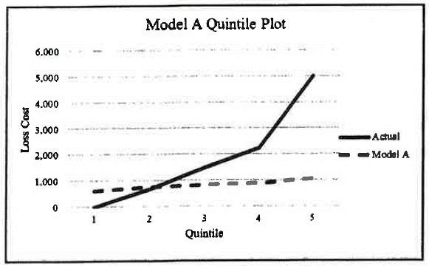
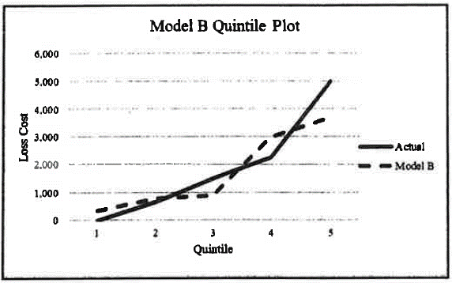

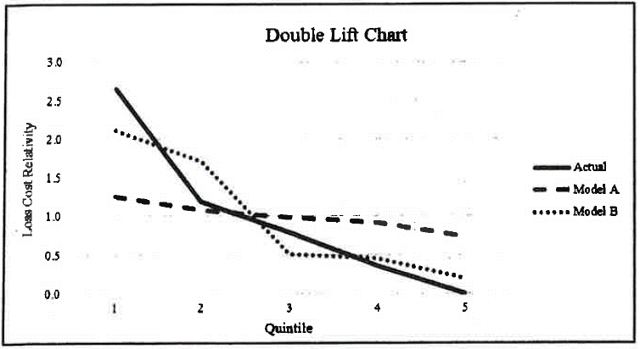

 | Given the following:
 | • The actuary has already provided management with the simple quintile plots and the double lift chart shown above.
 | • The company has implemented several segmented rate changes over the last three years.

(a) | For each model, provide a loss ratio plot that management can use to assess lift. Identify the basis of sorting the data.
1

(b) | Briefly describe one drawback of each type of model validation plot that the actuary has provided to management,
0.75 | including the plot produced in part (a) above.

(c) | Using all three types of model validation plots provided to management, recommend which model should be
1 | implemented. Do not perform any calculations.

10
10 | Incomplete | Source: | 2019 Exam 8 Q10 | Navigator | Solution

Points | An actuary has created new models to calculate the experience modification factor for two lines of
1.5 | business. Given the following:
 | • Line of business 1 (currently does not use experience rating)
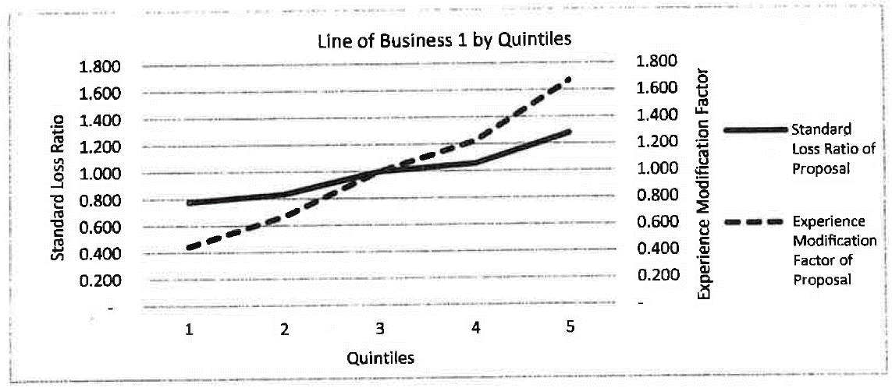

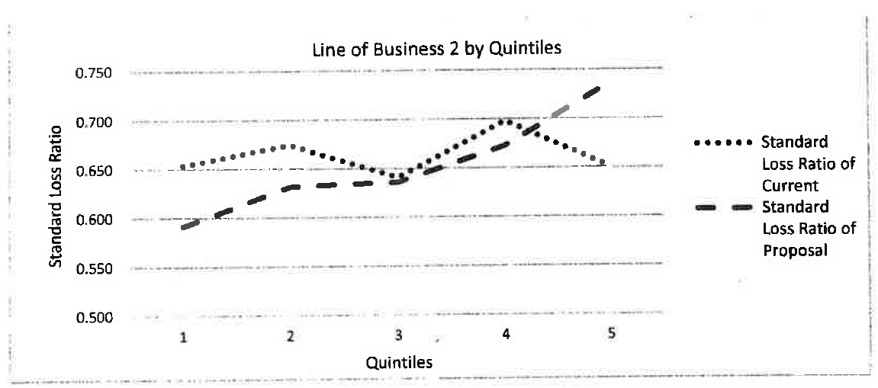
 | • Line of business 2 (currently uses experience rating)

 |  | Line of Business 2 | Efficiency Test
 |  | Current Plan | 0.0346
 |  | Proposed Plan | 0.1184

 | For both lines of business, assume that the cost of implementation is negligible.

(a) | For line of business 1, evaluate whether the new experience modification should be implemented.
0.5

(b) | For line of business 1, describe a way to improve the results of the experience modification.
0.5

(c) | For line of business 2, evaluate whether the proposed plan should be used.
0.5

12
12 | Incomplete | Source: | 2019 Exam 8 Q12 | Navigator | Solution

Points | An actuary is assessing the current Table M underlying the pricing of a book of business. All policies
2 | within the book of business have identical expected losses and are expected to have exactly one
 | claim during the policy period. The actuary divides the book of business into two subsets of
 | policies, Subset A and Subset B, and finds the following distributions of aggregate losses:
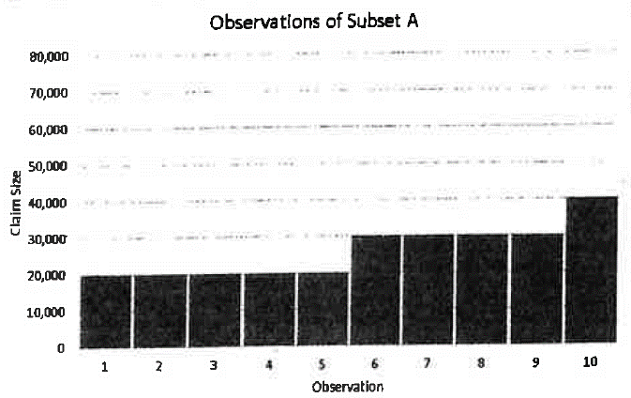

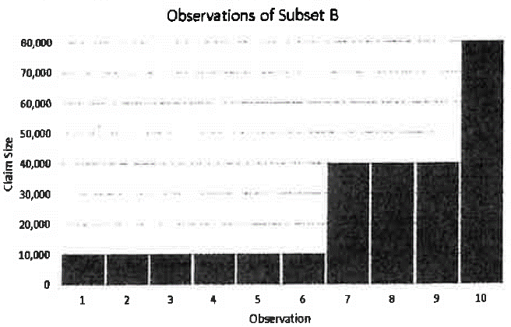

(a) | Discuss why the current Table M may not be appropriate for this book of business.
0.5

(b) | Using the observations in Subset B, calculate the insurance charges associated with the following
1 | claim sizes:
 | i. 10,000
 | ii. 40,000
 | iii. 80,000

(c) | Briefly describe two considerations when using the Table M calculated in part (b) above to support
0.5 | the creation of a Table M for a different line of insurance.

15
15 | Incomplete | Source: | 2019 Exam 8 Q15 | Formula Sheet | Navigator | Solution

Points | An actuary is pricing a retrospectively rated policy with a per-occurrence limit of 20,000 and no
3.5 | minimum or maximum ratable loss.

 | Using claim data from a group of similar policies, the actuary fit the following regression line to the
 | to the excess severity to estimate losses using the shifted Pareto distribution. The fitted regression
 | function is y = 0.4467x + 16112 with R2 = 0.9826.
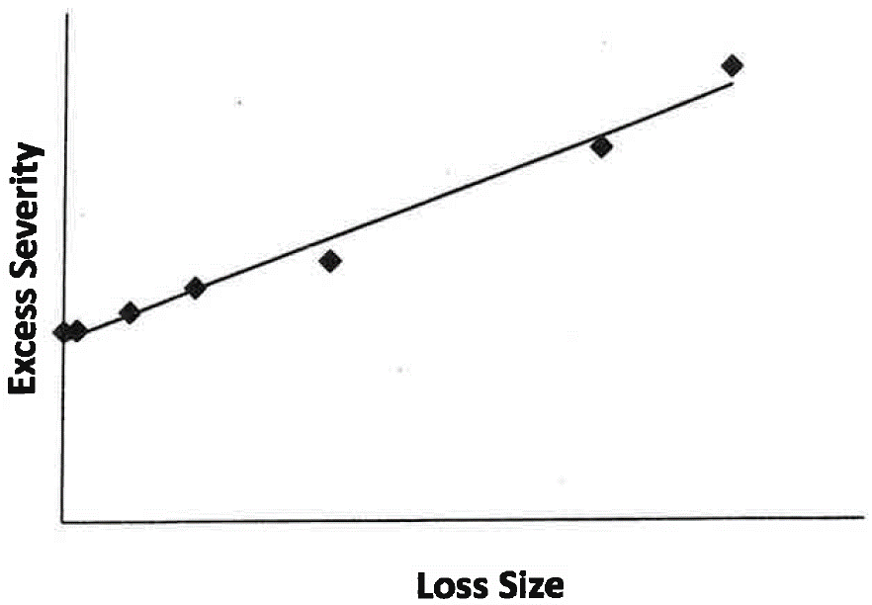

 | Given the following: |  |  |  | Included in:
 | Loss adjustment expenses as a percentage of loss |  |  | 10% | Loss conversion factor
 | Commission as a percentage of retrospective premium |  |  | 9% | Tax multiplier
 | Premium tax as a percentage of retrospective premium |  |  | 8% | Tax multiplier
 | Fixed overhead expenses |  |  | 50,000 | Basic premium
 | Underwriting profit as a percentage of expected excess loss |  |  | 6% | Basic premium

 | • The number of claims for ground up losses is Poisson distributed with λ = 15.

(a) | Calculate the basic premium.
2

(b) | Assuming that actual limited losses equal half the expected limited losses, calculate the
1 | retrospective premium.

(c) | Assess the actuary's decision to use the shifted Pareto distribution to estimate excess severity.
0.5

