Formula Sheet
FORMULA SHEET

• For the negative binomial distribution (for use on question 3):
$$f\left(x\right)=\left({x+r−1 \atop x}\right){(1−p)}^{r}p^{x}$$
 | ○

$$E\left[X\right]= \frac{pr}{1−p}$$
 | ○

• For the shifted Pareto distribution (for use on questions 7, 13 & 15):
$$E\left[X\right]= \frac{β}{α−1 }$$
 | ○

$$E\left[X;x\right]= \frac{β}{α−1}\left[1−{\left(\frac{β}{x+β}\right)}^{α−1}\right]$$
 | ○

$$e_{X}\left(x\right)= \frac{x+β}{α−1}$$
 | ○

$$F_{X}\left(x\right)=1− {\left(\frac{β}{x+β}\right)}^{α}$$
 | ○

1
$$V_{Z}+b⋅\left(V_{S}−V_{Z}\right)+c⋅\left(W_{S}−W_{Z}\right)+d⋅(X_{S}−X_{Z})$$
1 | Finished | Source: | 2019 Exam 8 Q1 |  | Navigator |  | Solution
 |  |  |  |  |  | (a) | Multi-Dimensional Credibility Formula
Points | An insurer uses five geographical Storm Zones (A, B, C, D, and E) in their rating plan.
2.25 | The insurer refines their rating plan using the following approach:
 | • Divide each Storm Zone into numerous geographical sectors. |  |  |  |  |  | Here, a subscript S refers to the storm sector which is analogous to the class within a
 | • For each geographical sector and storm type, calculate the observed storm frequency |  |  |  |  |  | hazard group. A subscript Z refers to the storm zone which plays the role of a hazard group.
 | as number of storms per year.
 | ○ There are three storm types defined as Moderate, Strong, and Severe storms. |  |  |  |  |  | Let V represent severe storms, W strong storms, and X moderate storms. These take on the
 |  |  |  |  |  |  | role of the injury types.
 | The insurer performs two credibility procedures to produce estimates of the respective
 | storm frequencies in each sector. The first is a multi-dimensional credibility procedure |  |  |  |  |  | Applying the formula:
 | and the second is a single-dimensional credibility procedure (utilizing only a single |  |  |  |  |  | = 0.73 + 0.2(0.69 - 0.73) + 0.12(2.4 - 1.4) + 0.05(7.1 - 5.3)
 | storm type). |  |  |  |  |  | 0.932

$$Z⋅V_{S}+\left(1−Z\right)⋅V_{Z}$$
(a) | The multi-dimensional credibility results for a particular sector in Storm Zone C for |  |  |  |  |  | Single Dimensional Credibility Formula
1.5 | Severe storms are given in the table below. The single-dimensional credibility factor |  |  |  |  |  |  | Z = 0.30 (from text)
1.5 | is 0.30.
 | Storm Type | Coefficient | Storm Zone Mean Frequency | Sector Mean Frequency |  |  | Applying the formula:
 | Intercept | not provided |  |  |  |  | = 0.3 * 0.69 + (1 - 0.3) * 0.73
 | Moderate | 0.05 | 5.30 | 7.10 |  |  | 0.718
 | Strong | 0.12 | 1.40 | 2.40
 | Severe | 0.20 | 0.73 | 0.69 |  | (b) | Multi-dimensional credibility is based on the idea that the claim frequency for different
 |  |  |  |  |  |  | storm types are related. It assigns weights based on the relative mean frequencies of the
 | Calculate the mean frequency estimate of Severe storms for each of the two |  |  |  |  |  | sector to the zone. There are more strong and moderate storms than severe storms
 | credibility procedures. |  |  |  |  |  | within the sectors than the zone so those storm types have higher frequencies which increases
 |  |  |  |  |  |  | the multi-dimensional credibility. Whereas the single dimensional credibility only relies on the
(b) | Fully explain why the single-dimensional credibility estimate in part (a) above is |  |  |  |  |  | difference between the zone and sector for severe storms.
0.75 | lower than the multi-dimensional credibility estimate.
0.75

2
2 | Finished | Source: | 2019 Exam 8 Q2 |  |  |  |  | Navigator |  | Solution
 |  |  |  |  |  |  |  |  | (a) | Sort the data by modeled loss cost in ascending order.
Points | An actuary has built two generalized linear models to predict loss costs. Management has requested a series of model validation |  |  |  |  |  |  |  |  | Note both models have the same order so the plots
2.75 | plots to demonstrate the appropriateness of each of the new models. Output for each model, simple quantile plots, and a |  |  |  |  |  |  |  |  | are identical.
 | double lift plot are shown below: |  |  |  |  |  |  |  |  | Obs | Actual Loss Ratio
 |  |  | Observation | Actual Loss Cost | Model A Loss Cost | Model B Loss Cost | Earned Premium |  |  | 3 | 0.0%
 |  |  | 1 | 1,500 | 825 | 900 | 1,800 |  |  | 2 | 46.6%
 |  |  | 2 | 675 | 765 | 800 | 1,450 |  |  | 1 | 83.3%
 |  |  | 3 | 0 | 615 | 350 | 2,375 |  |  | 4 | 85.7%
 |  |  | 4 | 2,250 | 900 | 3,000 | 2,625 |  |  | 5 | 102.6%
 |  |  | 5 | 5,000 | 1,050 | 3,700 | 4,875
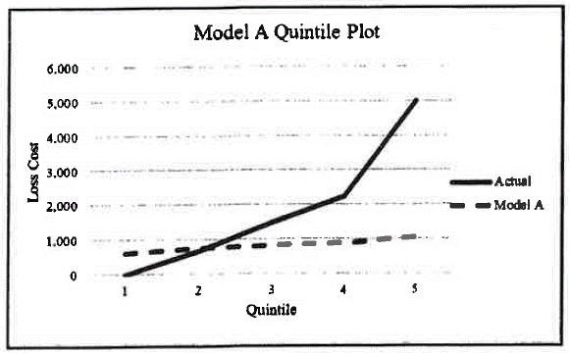
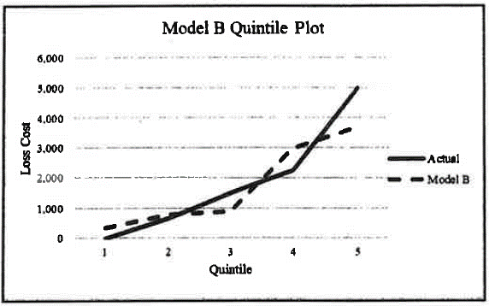
 |  |  |  |  |  |  |  |  |  | Since only 5 observations, each observation is 1 quintile
Loss Ratio Plot

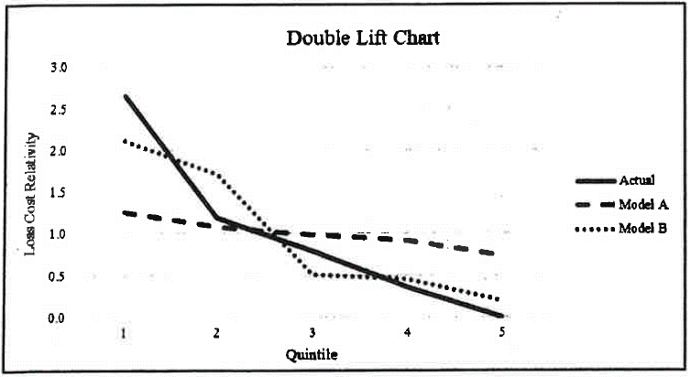
 |  |  |  |  |  |  |  |  | (b) | • Loss Ratio plot only assesses how well the GLM distinguishes
 |  |  |  |  |  |  |  |  |  | between risks, not if the predictions are accurate.
 |  |  |  |  |  |  |  |  |  | • Double lift charts can be difficult to explain to
 |  |  |  |  |  |  |  |  |  | non-technical people (management)
 |  |  |  |  |  |  |  |  |  | • Quantile plots are on two separate charts which makes
 |  |  |  |  |  |  |  |  |  | it hard to compare them.

 |  |  |  |  |  |  |  |  | (c) | • Based on the quantile plots, model B is better at predicting
 |  |  |  |  |  |  |  |  |  | the actual loss cost than model A as the actual and model
 |  |  |  |  |  |  |  |  |  | lines are closer together.
 |  |  |  |  |  |  |  |  |  | • The double lift chart suggests model B is better as it
 |  |  |  |  |  |  |  |  |  | tracks the actual loss cost more closely.
 | Given the following: |  |  |  |  |  |  |  |  | • The loss ratio plot has an upward trend for model B
 | • The actuary has already provided management with the simple quintile plots and the double lift chart shown above. |  |  |  |  |  |  |  |  | this suggests the model differentiates well between
 | • The company has implemented several segmented rate changes over the last three years. |  |  |  |  |  |  |  |  | risks.
 |  |  |  |  |  |  |  |  |  | • Recommend implementing model B
(a) | For each model, provide a loss ratio plot that management can use to assess lift. Identify the basis of sorting the data.
1
1

(b) | Briefly describe one drawback of each type of model validation plot that the actuary has provided to management,
0.75 | including the plot produced in part (a) above.
0.75

(c) | Using all three types of model validation plots provided to management, recommend which model should be
1 | implemented. Do not perform any calculations.
1

3
$$E\left[X\right]= \frac{pr}{1−p}$$
3 | Finished | Source: | 2019 Exam 8 Q3 | Formula Sheet | Navigator |  | Solution
 |  |  |  |  |  | (a) | Using |  | yields 0.101 = 10p / (1 - p)
Points | An insurance company has a private passenger auto book of business with an experience
1.75 | modification factor in its rating plan. |  |  |  |  |  | Solving this for p gives p = 0.01.
 | Given the following:
 | • Annual claims for an individual driver follow a negative binomial distribution with |  |  |  |  |  | Next, we need the probability of no claims, Pr(N = 0)
$$f\left(x\right)=\left({x+r−1 \atop x}\right){(1−p)}^{r}p^{x}$$
 | r = 10.
 | • The expected claim frequency for the entire book of business is 0.101.
 | • The credibility for the group of risks that have had at least one accident in the last year
$$\operatorname{Pr}\left(N=0\right)= \left({9 \atop 0}\right){\left(1 −0.01\right)}^{10}⋅{\left(0.01\right)}^{0}=0.9044$$
 | is 0.02. |  |  |  |  |  | Here x = 0, so

$R= \frac{1}{1−Pr⁡(N=0)}=10.458$
(a) | Calculate the experience modification factor for a policy that has had at least one
1.25 | accident in the last year.
1.25 |  |  |  |  |  |  | Then

$$\text{Mod}=Z⋅R+\left(1−Z\right)⋅1$$
(b) | Describe why a class with a higher volume of claims and more exposures may have less |  |  |  |  |  | Then
0.5 | credibility than a class with fewer claims and exposures. |  |  |  |  |  | So Mod = | 0.02 * 10.458 + (1 - 0.02) * 1
0.5 |  |  |  |  |  |  | = | 1.18916

 |  |  |  |  |  | (b) | Experience rating credibility depends not only on the volume of data but also the
 |  |  |  |  |  |  | variance within a class. Therefore, a class may receive more credibility than a class with
 |  |  |  |  |  |  | more volume if it has more variance within the class.

4
$$Var\left(μ_{i}\right)=φ⋅\frac{V\left(μ_{i}\right)}{w_{i}}$$
4 | Finished | Source: | 2015 Exam S Q32 - revised | Navigator |  | Solution
 |  |  |  |  | a.)
Points | A GLM is used to model claim size. You are given the following information about
3 | the model:
 |  |  |  |  |  | For a gamma distribution, V(u) = u^2
 | • Claim size follows a Gamma distribution.
 | • The log link function is used. |  |  |  |  | Rural male with vehicle type - truck = u
 | • The model contains three variables, Location, Gender, and Vehicle Type. |  |  |  |  | ln(u) = | 3.3777
 | • Location and Gender have two levels each. Vehicle Type has three levels. |  |  |  |  | u = | 29.303295966

 | Estimated dispersion parameter: |  | 2.00 |  |  | Variance for rural male
 |  |  |  |  |  | 4293.4157723
 | Model Output:
 | Variable | Coefficient | p-value |  | b.) | The vehicle type - van p-value is greater than 0.05. The actuary can likely improve the model
 | Intercept | 2.32 | 0.00004 |  |  | by grouping vans with the base level for vehicle type.
 | Location - Rural | -0.64 | 0.0031 |  |  | Alternatively, since the p-value for vehicle type - truck is also large, albeit below the threshold,
 | Gender - Male | 0.76 | 0.012 |  |  | the actuary could remove the Vehicle Type variable from the model.
 | Vehicle Type - Van | -0.0118 | 0.095
 | Vehicle Type - Truck | 0.9377 | 0.028 |  | c.) | The actuary can compute the AIC and/or BIC statistics for each model. The model with the lower statistic
 |  |  |  |  |  | has the best performance. They could also perform an F-test because in this case the models are nested.

(a) | Calculate the variance of the predicted claim size for a rural male with vehicle type = Truck
2 | given the associated weight is 0.4.
2

(b) | The actuary chose p = 0.05 for their significance level.
0.5 | Identify two ways the actuary could improve the model and briefly explain your reasoning.
0.5

(c) | Briefly describe how the actuary could objectively assess which model has better performance.
0.5
0.5

5
$$ln\left(\frac{μ}{1−μ}\right)$$
$$0≤μ≤1$$
5 | Finished | Source: | 2019 Exam 8 Q5 | Navigator |  | Solution
 |  |  |  |  | (a) | The logit link function should be used, |  |  |  | where
Points | The following confusion matrix shows the results from a claim fraud model with a
2.75 | discrimination threshold of 25%: |  |  |  |  | This is appropriate because the inverse of the logit function is the logistic function,
$$f\left(x\right)= \frac{1}{1+e^{−x}}$$
 |  | Predicted |  |  |  |  |  | which takes any real number and maps it to the interval [0, 1].
 | Actual | Yes | No |  |  |  |  | By choosing a discriminant threshold we can turn this into a
 | Yes | 72 | 162 |  |  |  |  | binary outcome.
 | No | 63 | 1203
 |  |  |  |  | (b) | Sensitivity = TP / (TP + FN) |  |  | TP = True Positive
(a) | Identify a link function that can be used for a generalized linear model that has a binary |  |  |  |  |  | = 72 / (72 + 162) |  | TN = True Negative
0.5 | target variable and briefly explain why this link function is appropriate. |  |  |  |  |  | 30.77% |  | FP = False Positive
0.5 |  |  |  |  |  |  |  |  | FN = False Negative
 |  |  |  |  |  | Specificity = TN / (TN + FP)
(b) | Calculate the sensitivity and specificity from the above data. |  |  |  |  |  | = 1203 / (1203 + 63)
0.5 |  |  |  |  |  |  | 95.02%
0.5 |  |  |  |  |  |  |  |  |  |  |  | Current Model |  | No Pred Power |  | Perfect
 |  |  |  |  | (c) | X-axis: False positive rate = 1 - Specificity. Y-axis: Sensitivity (True positive rate) |  |  |  |  | Threshold | x | y | x | y | x | y
ROC Curve
0% Threshold
(c) | Plot the receiver operating characteristic (ROC) curve with the discrimination threshold |  |  |  |  |  |  |  |  |  | 0 | 0 | 0 | 0 | 0 | 0 | 0
1.5 | of 25%. Label each axis, the coordinates, and the discrimination thresholds of 100%, 25% |  |  |  |  |  |  |  |  |  | 25% | 4.98% | 30.77% | 0.25 | 0.25 | 0 | 1
1.5 | and 0% on the curve. |  |  |  |  |  |  |  |  |  | 100% | 1 | 1 | 1 | 1 | 1 | 1

 | In addition, plot the ROC curve for each of the following two models:
 | i. A model with no predictive power
 | ii. A hypothetical "perfect" model

100% Threshold
(d) | Briefly describe how the severity of claims will impact the selection of the model threshold.
0.25
0.25

 |  |  |  |  | (d) | The more severe the claims, the lower the discrimination threshold should be because
 |  |  |  |  |  | the benefit of identifying fraudulent claims will outweigh the cost of investigating the
 |  |  |  |  |  | false positives (predicted fraud when no fraud actually occurred).

7
7 | Finished | Source: | 2019 Exam 8 Q7 |  | Formula Sheet |  |  |  |  | Navigator |  | Solution
 |  |  |  |  |  |  |  |  |  |  | (a) | Loss Elimination Ratio (LER) = E[X; 100,000] / E[X]
Points | An actuary is pricing a workers compensation policy. Given the following: |  |  |  |  |  |  |  |  |  |  | Using the formulas on the Formula Sheet we calculate
$$1−{\left(\frac{22,800}{122,800}\right)}^{0.3}$$
7.5 |  | Policy Effective Date |  |  |  | 2020-01-01
 |  | Policy Term |  |  |  | One year |  |  |  |  |  | LER = |  | = | 0.3966
 |  | Annual Loss Trend |  |  |  | 4.50%
 |  | Cap for individual claims |  |  |  | $100,000 |  |  |  |  |  | This yields the expected ultimate limited loss before modification
 |  | Credibility factor |  |  |  | 0.4 |  |  |  |  |  | as | 1064000 * 0.3966 = 421,959.28
 |  | Expected ultimate loss before modification |  |  |  | $1,064,000
 |  |  |  |  |  |  |  |  |  |  |  | Now de-trend and de-develop back to the years in the
 | As of June 30, 2019, ground up reported losses are: |  |  |  |  |  |  |  |  |  |  | experience period.
 |  | Policy Year | Total Reported Loss |  | Individual Claims over $100,000 |  |  |  |  |  |  | The effective date is 1/1/20, since we lag the experience period
 |  | 2016 | $392,457 |  | $128,305 |  |  |  |  |  |  | by 1 year, the years in the period are 2018, 2017, and 2016
 |  | 2017 | $1,013,863 |  | $525,626 | $152,860
 |  | 2018 | $459,798 |  | $275,865 |  |  |  |  |  |  |  | Expected |  |  | Expected
 |  | 2019 | $181,325 |  | None |  |  |  |  |  |  | PY | Limited | Detrend | De-Develop | Reported
 |  |  |  |  |  |  |  |  |  |  |  | 2018 | $421,959.28 | 0.91572995124 | 0.77760497667 | 300,467.15
 | The following limited loss development factors (LDFs) apply to this policy: |  |  |  |  |  |  |  |  |  |  | 2017 | $421,959.28 | 0.87629660405 | 0.91407678245 | 337,990.39
 |  | Maturity to Ultimate | Limited LDF |  |  |  |  |  |  |  |  | 2016 | $421,959.28 | 0.83856134359 | 0.95057034221 | 336,348.61
 |  | 42 months | 1.052 |  |  |  |  |  |  |  |  |  |  |  |  | 974,806.15
 |  | 30 months | 1.094
 |  | 18 months | 1.286 |  |  |  |  |  |  |  |  | Note: The average future accident date is 7/1/20, so the trend length
 |  |  |  |  |  |  |  |  |  |  |  | is 2 years for 2018.
 | Based on an internal study, the actuary believes that claim severity follows a shifted Pareto distribution
 | with α = 1.3 and β = 22,800. |  |  |  |  |  |  |  |  |  | (b) | Limited Reported Losses
 |  |  |  |  |  |  |  |  |  |  |  |  |  | Excess of cap | Total Capped
 | The following expenses apply to this policy: |  |  |  |  |  |  |  |  |  |  | PY | Total
 |  | Loss Adjustment Expense (LAE) |  | 7.5% of loss |  |  |  |  |  |  |  | 2018 | $459,798 | $175,865 | $283,933
 |  | Taxes and Fees |  | 3.5% of gross premium |  |  |  |  |  |  |  | 2017 | $1,013,863 | $478,486 | $535,377
 |  | Acquisition |  | 17% of gross premium |  |  |  |  |  |  |  | 2016 | $392,457 | $28,305 | $364,152
 |  | Profit and Contingencies |  | 0% of gross premium |  |  |  |  |  |  |  |  |  |  | $1,183,462 | Total

 | The insurer's management is concerned about capacity on risks of this type. To address these concerns, |  |  |  |  |  |  |  |  |  |  | Experience Mod = (Actual / Expected) * Z + (1 - Z)*1
 | they are requiring facultative reinsurance to support this account. Under the treaty, the reinsurer would |  |  |  |  |  |  |  |  |  |  | (1183462 / 974806.151167234) * 0.4 + (1 - 0.4) * 1
 | assume all aggregate losses between $2,000,000 and $4,000,000. The primary insurer will retain all LAE. |  |  |  |  |  |  |  |  |  |  | 1.0856

 | The primary insurer's actuary believes the following Table M and the associated expected loss groupings |  |  |  |  |  |  |  |  |  |  | Total modified ground up unlimited loss =
 | (ELGs) are appropriate for risks of this type: |  |  |  |  |  |  |  |  |  |  | Experience Mod * Expected ultimate unlimited loss
 |  |  |  |  |  |  |  |  |  |  |  | $1,155,099.07
 | ELG | Loss Range |  |  |  |  | ELG
 | 31 | $730,000 – 820,000 |  | Entry Ratio | 31 | 30 | 29 | 28 | 27 | 26 | (c) | • This approach gives equal weight to all years of experience
 | 30 | $820,001 – 930,000 |  | 1.50 | 0.1876 | 0.1764 | 0.1649 | 0.1529 | 0.1442 | 0.1343 |  | while the method used in parts (a) and (b) gives more weight
 | 29 | $930,001 – 1,090,000 |  | 1.75 | 0.1490 | 0.1376 | 0.1257 | 0.1131 | 0.1048 | 0.0963 |  | to the older years.
$$\text{GCP}= \frac{E\left[L\right]⋅\left(\text{Exp}\text{. }\text{Mod}\right)⋅\left(1+\text{LAE} \%\right)}{1−\text{Variable} \text{Expenses}}$$
 | 28 | $1,090,001 – 1,280,000 |  | 2.00 | 0.1195 | 0.1083 | 0.0964 | 0.0838 | 0.0762 | 0.0692
 | 27 | $1,280,001 – 1,515,000 |  | 2.25 | 0.0968 | 0.0859 | 0.0745 | 0.0623 | 0.0555 | 0.0497 | (d)
 | 26 | $1,515,001 – 1,844,000 |  | 2.50 | 0.0791 | 0.0687 | 0.0579 | 0.0465 | 0.0404 | 0.0357
 |  |  |  | 2.75 | 0.0652 | 0.0554 | 0.0453 | 0.0347 | 0.0295 | 0.0257 |  | = [ 1,064,000 * 1.086 * (1 + 7.5%) ] / ( 1 - 3.5% - 17% )
 |  |  |  | 3.00 | 0.0541 | 0.0450 | 0.0356 | 0.0260 | 0.0215 | 0.0185 |  | $1,561,926.41
 |  |  |  | 3.25 | 0.0452 | 0.0367 | 0.0282 | 0.0196 | 0.0157 | 0.0133
 |  |  |  | 3.50 | 0.0380 | 0.0302 | 0.0224 | 0.0148 | 0.0115 | 0.0096 | (e) | From part (b) the experience modified expected unlimited
 |  |  |  | 3.75 | 0.0321 | 0.0250 | 0.0179 | 0.0111 | 0.0084 | 0.0069 |  | loss is 1,155,099.07
 |  |  |  | 4.00 | 0.0273 | 0.0207 | 0.0144 | 0.0084 | 0.0062 | 0.0050 |  | This corresponds to Expected Loss Group 28

(a) | Calculate the expected ground up reported loss limited to $100,000 per claim for this insured for the three |  |  |  |  |  |  |  |  |  |  | Now compute the entry ratios for the reinsurer's layer.
2.25 | years of experience combined. |  |  |  |  |  |  |  |  |  |  | Since there's only a per-occurrence cap, this is a Table M
2.25 |  |  |  |  |  |  |  |  |  |  |  | entry ratio, i.e. Unlimited Actual Loss / Expected Unlimited Loss
 |  |  |  |  |  |  |  |  |  |  |  | At the lower bound the entry ratio is 2 million / part (b)
(b) | Calculate the total modified ground up unlimited expected loss for this policy. |  |  |  |  |  |  |  |  |  |  | 1.73 | which rounds to 1.75
1.5 |  |  |  |  |  |  |  |  |  |  |  | At the upper bound the entry ratio is 4 million / part (b)
1.5 |  |  |  |  |  |  |  |  |  |  |  | 3.46 | which rounds to 3.50
 |  |  |  |  |  |  |  |  |  |  |  | Looking these values up in the given table yields
(c) | Alternatively, the actuary could have trended and developed reported losses to the cost level of the |  |  |  |  |  |  |  |  |  |  | φ(1.75) = 0.1131
0.25 | prospective policy period. Briefly explain why this approach would not produce an identical modification |  |  |  |  |  |  |  |  |  |  | φ(3.50) = 0.0148
0.25 | factor.
 |  |  |  |  |  |  |  |  |  |  |  | Hence, the loss in reinsurer layer is
(d) | Calculate the guaranteed cost premium for this insured. |  |  |  |  |  |  |  |  |  |  | (φ(1.75) - φ(3.50))* (part (b))
0.5 |  |  |  |  |  |  |  |  |  |  |  | $113,546.24
0.5
 |  |  |  |  |  |  |  |  |  |  | (f) | The difference between the premium charged for the layer
(e) | Calculate the loss expected to be ceded to the reinsurer under this treaty. Round to the nearest entry ratio |  |  |  |  |  |  |  |  |  |  | and the loss in the layer is $200,000 - $113,546.24
1.5 | (i.e. do not interpolate). |  |  |  |  |  |  |  |  |  |  | The primary insurer must load this for profit and variable expenses
1.5 |  |  |  |  |  |  |  |  |  |  |  | and add it to the guaranteed cost premium found in part (d).
 |  |  |  |  |  |  |  |  |  |  |  | Hence, the new premium is
(f) | A reinsurer has quoted a premium of $200,000 for this treaty. Calculate the premium the primary insurer must charge in |  |  |  |  |  |  |  |  |  |  | 1,561,926.41 + [86,453.76 / (1 - 3.5% - 17%)]
1 | order to maintain the same underwriting profit. |  |  |  |  |  |  |  |  |  |  | $1,670,673.28
1
 |  |  |  |  |  |  |  |  |  |  | (g) | • The choice of a Pareto distribution may not be appropriate
(g) | Explain how the assumptions of the primary insurer's actuary may have resulted in an inequitable premium calculated in |  |  |  |  |  |  |  |  |  |  | as it heavily influences the tail of the distribution. This could
0.5 | part (f) above. |  |  |  |  |  |  |  |  |  |  | make the insurance charges either under or overstate premiums,
0.5 |  |  |  |  |  |  |  |  |  |  |  | making them inequitable.
 |  |  |  |  |  |  |  |  |  |  |  | • The calculation in part (f) also doesn't account for the
 |  |  |  |  |  |  |  |  |  |  |  | primary insurer transferring a large part of its uncertain risk
 |  |  |  |  |  |  |  |  |  |  |  | to the reinsurer. The primary insurer could lower its profit
 |  |  |  |  |  |  |  |  |  |  |  | or risk load to compensate and make premiums equitable.

10
10 | Finished | Source: | 2019 Exam 8 Q10 | Navigator |  | Solution
 |  |  |  |  | (a) | Line of business 1 has an increasing standard loss ratio. This indicates the experience
Points | An actuary has created new models to calculate the experience modification factor for two lines of |  |  |  |  | rating is identify differences between risks. Since there is no experience plan currently
1.5 | business. Given the following: |  |  |  |  | in place, and the standard loss ratio of the proposal is flatter than the experience modifications proposed,
 | • Line of business 1 (currently does not use experience rating) |  |  |  |  | this suggests the model is also correcting for differences between risks.
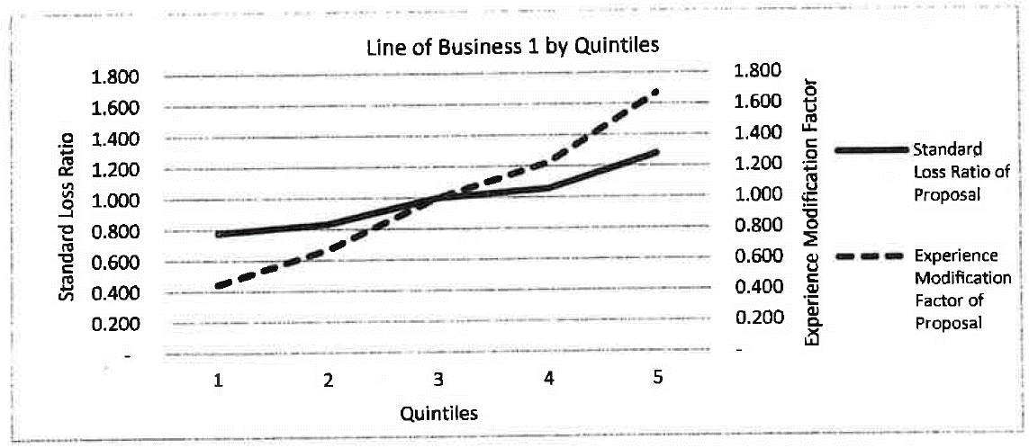
 |  |  |  |  |  | Therefore, I would implement the proposal.

 |  |  |  |  | (b) | Not enough credibility is given to the actual experience because the standard loss ratios
 |  |  |  |  |  | are increasing. Increase the credibility given to actual experience.

 |  |  |  |  | (c) | Do not use the proposed plan for line of business 2. The proposed standard loss ratios
 |  |  |  |  |  | are steeper than the current ones and the flatter the ratio the better the plan.
 |  |  |  |  |  | Also, the current plan has a lower efficiency test statistic than the proposed plan,
 |  |  |  |  |  | which indicates the current plan performs better.

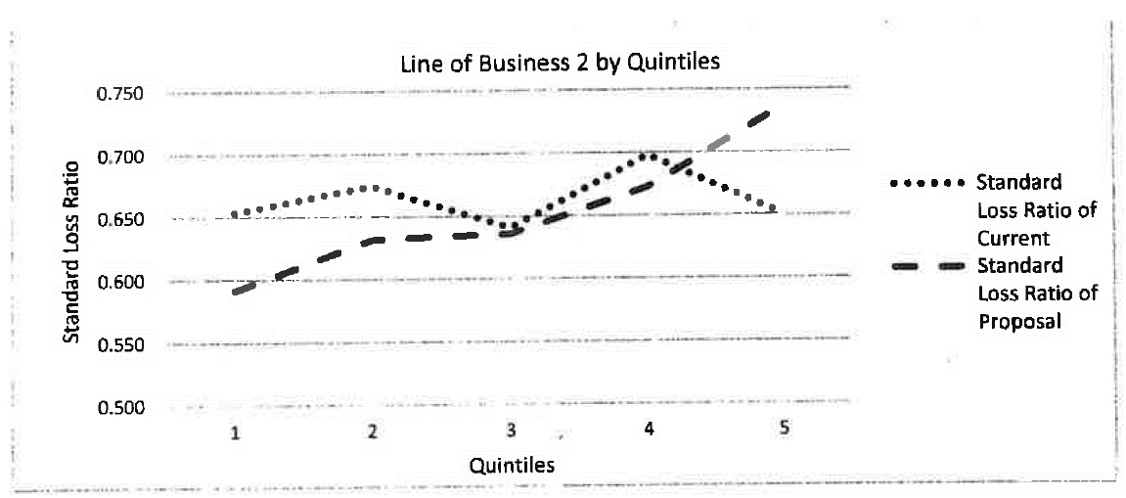
 | • Line of business 2 (currently uses experience rating)

 |  | Line of Business 2 | Efficiency Test
 |  | Current Plan | 0.0346
 |  | Proposed Plan | 0.1184

 | For both lines of business, assume that the cost of implementation is negligible.

(a) | For line of business 1, evaluate whether the new experience modification should be implemented.
0.5
0.5

(b) | For line of business 1, describe a way to improve the results of the experience modification.
0.5
0.5

(c) | For line of business 2, evaluate whether the proposed plan should be used.
0.5
0.5

11
$$X= \frac{A}{E}⋅Z+\left(1−Z\right)⋅1$$
11 | Finished | Source: | 2019 Exam 8 Q11 |  | Navigator |  | Solution
 |  |  |  |  |  | (a) |  |  | Here, Z = 0.75, A = 37,100 and E = 32,000.
Points | Consider the following sample of five insurance risks which have been experience rated:
3.75 | Risk | Mod | Manual Loss Ratio | Standard Loss Ratio |  |  | So X = | 1.1195
 | 1 | 0.60 | 0.60 | 1.00
 | 2 | 0.79 | 0.80 | 1.01 |  | (b) | The standard loss ratio for risk 3 is its manual loss ratio divided by its experience mod.
 | 3 | X | 0.96 | Y |  |  | i.e. = 0.96 / 1.1195 = 0.8575.
 | 4 | 1.10 | 1.10 | 1.00 |  |  | If the experience rating plan is good, it should be close to the other standard loss ratios,
 | 5 | 1.14 | 1.15 | 1.01 |  |  | i.e. near 1.00. Since it is materially lower, too much credibility is being placed on the
 |  |  |  |  |  |  | actual experience. Lower the credibility to improve the effectiveness for risk 3.
 | The actual claims for Risk 3 in the experience period are as follows:
 |  | Claim # | Incurred Loss Amount |  |  | (c) | I choose to place 25% credibility on the actual experience for risk 3.
 |  | 001 | 3,200 |  |  |  | The new experience mod for Risk 3 is then
 |  | 002 | 3,000 |  |  |  | X = 0.25 * (37,100 / 32,000) + (1 - 0.25)*1
 |  | 003 | 2,800 |  |  |  | 1.040
 |  | 004 | 2,700
 |  | 005 | 3,300 |  |  |  | Then the new standard loss ratio is 0.96 / 1.040 = 0.923
 |  | 006 | 2,900 |  |  |  | To compare the old and new plans I will use the efficiency test statistic
 |  | 007 | 10,000 |  |  |  | Note we assume no other risks are impacted by this recommendation.
 |  | 008 | 3,100
 |  | 009 | 3,000 |  |  |  | Old Plan |  | New Plan
 |  | 010 | 3,100 |  |  |  | Manual LR | Standard LR | Manual LR | Standard LR
 |  | Total | 37,100 |  |  |  | 0.60 | 1.00 | 0.60 | 1.00
 |  |  |  |  |  |  | 0.80 | 1.01 | 0.80 | 1.01
 | • Expected Losses for Risk 3 in the experience period = 32,000 |  |  |  |  |  | 0.96 | 0.86 | 0.96 | 0.92
 | • Credibility factor = 0.75 |  |  |  |  |  | 1.10 | 1.00 | 1.10 | 1.00
 |  |  |  |  |  |  | 1.15 | 1.01 | 1.15 | 1.01
(a) | Calculate the modification factor, X, for Risk 3.
0.5 |  |  |  |  |  |  | 0.05092 | 0.0043761470697 | 0.05092 | 0.001362736722 | <- Sample variances
0.5 |  |  |  |  |  |  | Efficiency: | 0.085941615666 | Efficiency: | 0.026762307974

(b) | Provide a recommendation to improve the effectiveness of experience rating for Risk 3 and |  |  |  |  |  | Efficiency Test = sample variance of Standard LR / sample variance of Manual LR
0.5 | briefly justify. |  |  |  |  |  | Since the new plan has a lower efficiency statistic than the old plan, it is an improvement.
0.5

(c) | Show, quantitatively, that the recommendation in part (b) above improves the plan. Assume no
2.75 | other risks are impacted by the recommendation.
2.75

12
12 | Finished | Source: | 2019 Exam 8 Q12 | Navigator |  | Solution
 |  |  |  |  | (a) | Subset B has a significantly different loss distribution than Subset A even though
Points | An actuary is assessing the current Table M underlying the pricing of a book of business. All policies |  |  |  |  | they have the same expected loss. The variance of B is greater than that of A which
2 | within the book of business have identical expected losses and are expected to have exactly one |  |  |  |  | means B should have a higher insurance charge than A for the same entry ratio.
 | claim during the policy period. The actuary divides the book of business into two subsets of |  |  |  |  | Combining A and B to create one table will underprice B and overprice A.
 | policies, Subset A and Subset B, and finds the following distributions of aggregate losses:
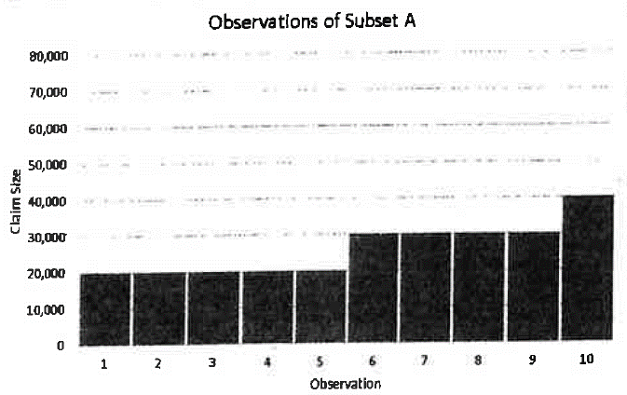
 |  |  |  |  | (b) | φ(x) = average amount above x divided by the expected amount.
 |  |  |  |  |  | The expected loss for subset B is (10,000 * 6 + 40,000 * 3 + 80,000 * 1) / 10 = 26,000

 |  |  |  |  | (i) | φ(10,000) = [ (1 * (80,000 - 10,0000) + 3 * (40,000 - 10,000) )/10 ] / 26,000
 |  |  |  |  |  | 0.6154

 |  |  |  |  | (ii) | φ(40,000) = [ (1 * (80,000 - 40,0000) )/10 ] / 26,000
 |  |  |  |  |  | 0.1538

 |  |  |  |  | (iii) | φ(80,000) = 0 as no claims exceed 80,000

 |  |  |  |  | (c) | 1.) Does the different line of business have the same expected risk size?
 |  |  |  |  |  | 2.) The Table M calculated in part (b) only uses 10 risks so likely is not credible.
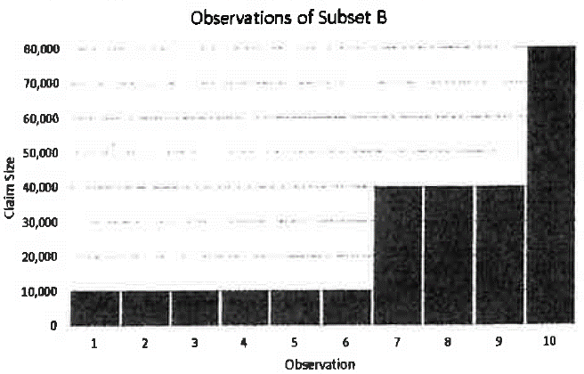

(a) | Discuss why the current Table M may not be appropriate for this book of business.
0.5
0.5

(b) | Using the observations in Subset B, calculate the insurance charges associated with the following
1 | claim sizes:
1 | i. 10,000
 | ii. 40,000
 | iii. 80,000

(c) | Briefly describe two considerations when using the Table M calculated in part (b) above to support
0.5 | the creation of a Table M for a different line of insurance.
0.5

13
$$E\left[S\right]=E\left[N\right]⋅(E\left[X;5,000\right]−E\left[X;4,000\right])$$
13 | Finished | Source: | 2019 Exam 8 Q13 | Formula Sheet | Navigator |  | Solution
 |  |  |  |  |  | (a) | Let S be the aggregate loss variable. Then
Points | For a given policy that provides first dollar coverage, there is a 50% probability that no claims will |  |  |  |  |  | Use the formula sheet and given information to find the parameters of the shifted
2 | occur during the policy period. Given that a claim does occur, the frequency distribution is shown |  |  |  |  |  | Pareto distribution.
$$e_{X}\left(6,000\right)=\frac{6,000+β}{α−1}=15,000$$
 | below:
 | Number of Claims | Probability
$$E\left[X\right]= \frac{β}{α−1}=3,000$$
 | 1 | 70%
 | 3 | 20%
$$15,000= \frac{6,000}{α−1 }+3,000$$
 | 5 | 10%
 |  |  |  |  |  |  | Substitute the second equation into the first to get
 | The claim-size variable X for this policy follows a shifted Pareto distribution with the following |  |  |  |  |  | So α = 1.5
 | characteristics: |  |  |  |  |  | Then β = 3000(α - 1) = 1,500
$$E\left[X;5,000\right]= \frac{1,500}{1.5 −1}⋅\left(1−{\left(\frac{1,500}{5,000+1,500}\right)}^{1.5 − 1}\right)=1558.85$$
 | • eX(6,000) = 15,000
 | • E[X] = 3,000 |  |  |  |  |  | Then
 | • E[X; 4,000] = 1,433.30
 |  |  |  |  |  |  | Next, E[N] = 0.5 * 0 + 0.5 * ( 0.7 * 1 + 0.2 * 2 + 0.1 * 5) = 0.9
(a) | Calculate the expected aggregate loss in the layer 1,000 excess of 4,000 for this policy.
1.5 |  |  |  |  |  |  | Lastly, plug the above into the equation for E[S] to get
1.5 |  |  |  |  |  |  | 112.995

(b) | Explain one difficulty that can arise when trying to fit an aggregate loss distribution function to |  |  |  |  | (b) | Excess losses are usually sparse and may not be sufficiently credible to consistently
0.5 | losses in an excess layer. |  |  |  |  |  | fit a distribution without having some jump discontinuities.
0.5

14
$$B=e −\left(c−1\right)⋅E\left[A\right]+c⋅I$$
14 | Finished | Source: | 2019 Exam 8 Q14 | Navigator |  | Solution
 |  |  |  |  | (a)
Points | An insured is written under a retrospective rating plan with a minimum and a maximum premium |  |  |  |  | Here, e = 20,000 and c = 1.07 and E[A] = $825,000
2 | with the following parameters:
$$I= \left(φ_{G}−ψ_{H}\right)⋅E[A]$$
 | Loss Conversion Factor | 1.07 |  |  |  | I is the net insurance charge,
$$ψ\left(r\right)=φ\left(r\right)+r −1$$
 | Expected Loss | $825,000
 | Expenses | $20,000
 | φ(rG) | 0.40 |  |  |  | So ψ(0.5) = 0.8 + 0.5 - 1 = 0.3
 | φ(rH) | 0.80 |  |  |  | Thus, I = (0.4 - 0.3) * 825,000 = 82,500
 | rG | 1.21
 | rH | 0.50 |  |  |  | Putting this all together yields the basic premium as
 |  |  |  |  |  | B = 20,000 - 0.07 * 825,000 + 1.07 * 82,500
(a) | Calculate the basic premium. |  |  |  |  | $50,525.00
1
1 |  |  |  |  | (b) | • There is an overlap between the per-occurrence limit and the aggregate limit set
 |  |  |  |  |  | by the maximum premium, so it is not appropriate to load the full amount of
(b) | Upon renewal, the insured requests that a per-occurrence claim limit of $200,000 be added to the |  |  |  |  | $400,000 into the premium. This results in overpricing.
1 | current policy. The pricing actuary estimates that, on average, the insured will have $400,000 of losses |  |  |  |  | • The actuary should use a limited Table M or a Table L instead.
1 | that exceed this per-occurrence limit during the next policy period. To calculate the expected increase
 | to the basic premium, the actuary loads the $400,000 for expenses and profit.

 | Fully discuss the appropriateness of the actuary's methodology.

15
$$e_{X}\left(x\right)= \frac{x+β}{α−1}$$
15 | Finished | Source: | 2019 Exam 8 Q15 | Formula Sheet | Navigator |  | Solution
 |  |  |  |  |  | (a) | From the formula sheet, the excess severity function is
Points | An actuary is pricing a retrospectively rated policy with a per-occurrence limit of 20,000 and no |  |  |  |  |  | We equate this with the fitted regression line to
3.5 | minimum or maximum ratable loss. |  |  |  |  |  | determine the shifted Pareto parameters.

 | Using claim data from a group of similar policies, the actuary fit the following regression line to the |  |  |  |  |  | 16,112 = β / (α - 1)
 | to the excess severity to estimate losses using the shifted Pareto distribution. The fitted regression |  |  |  |  |  | 0.4467 = 1 / (α - 1)
 | function is y = 0.4467x + 16112 with R2 = 0.9826. |  |  |  |  |  | So α = 3.24 and β = 36,069
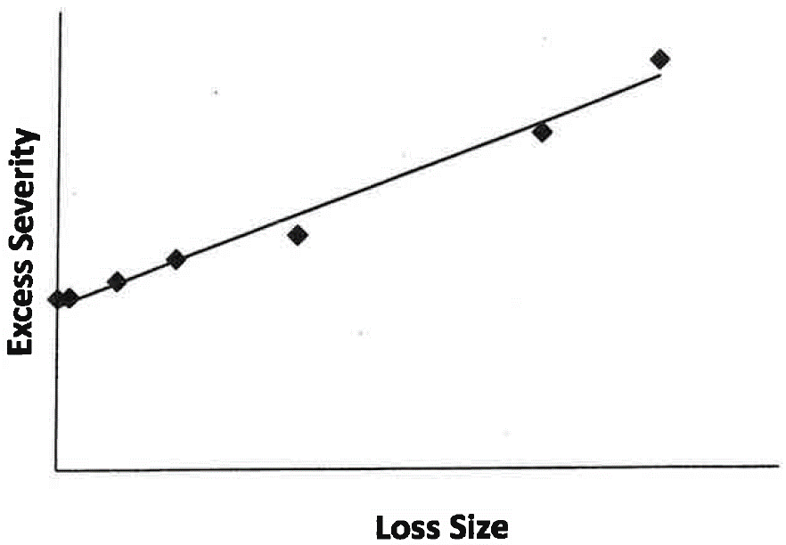
 |  |  |  |  |  |  | Then the unlimited expected severity is E[A] = 16,112
 |  |  |  |  |  |  | The expected severity limited to 20,000 is E[AD] = 10,108 by the formula sheet.
 |  |  |  |  |  |  | So the expected excess severity is 16,112 - 10,108 = 6,004

 |  |  |  |  |  |  | Multiply this by the expected number of claims which is E[N] = 15.
 |  |  |  |  |  |  | So the expected aggregate excess is 15 * 6,004 = 90,060

 |  |  |  |  |  |  | Then the basic premium = fixed expenses + (expected excess)*(1 + LAE % + UW Profit %)
 |  |  |  |  |  |  | 154,469.60

 | Given the following: |  |  |  | Included in: | (b) | The expected limited loss is the expected limited severity multiplied by the expected claim count.
 | Loss adjustment expenses as a percentage of loss |  |  | 10% | Loss conversion factor |  | Using the result in part (a) this is 15 * 10,108 = 151,620
 | Commission as a percentage of retrospective premium |  |  | 9% | Tax multiplier |  | Actual loss | 75,810.00
 | Premium tax as a percentage of retrospective premium |  |  | 8% | Tax multiplier
$$R=\left(B+cL\right)⋅T$$
 | Fixed overhead expenses |  |  | 50,000 | Basic premium |  | Plug into the retrospective rating formula
 | Underwriting profit as a percentage of expected excess loss |  |  | 6% | Basic premium |  | Here L = 75,810 and B = 154,469.60 and c = 1.1
 |  |  |  |  |  |  | T is the tax multiplier, it equals 1 / (1 - 9% - 8%)
 | • The number of claims for ground up losses is Poisson distributed with λ = 15.
 |  |  |  |  |  |  | So the retrospective premium is
(a) | Calculate the basic premium. |  |  |  |  |  | 286,579.04
2
2 |  |  |  |  |  | (c) | The R2 value is high and the fitted line is close to the observed values indicating a good fit.
 |  |  |  |  |  |  | The regression line is linear and upward sloping which matches the usual shape of a
(b) | Assuming that actual limited losses equal half the expected limited losses, calculate the |  |  |  |  |  | Pareto excess severity distribution.
1 | retrospective premium. |  |  |  |  |  | Note the slope of the regression line is sensitive to the size of the largest claims so
1 |  |  |  |  |  |  | minor variations in the largest claims could significantly change the distribution parameters.

(c) | Assess the actuary's decision to use the shifted Pareto distribution to estimate excess severity.
0.5
0.5

