Fisher_ExpRating3
$$Mod=\frac{ZA+\left(1−Z\right)E}{E}$$
Reading: | Fisher.ExpRating |  |  | Return to TOC |  | Solution
Model: | 2013 Exam 8 Q9 |  |  |  | a.) | The experience mod for a no-split plan is given by
Problem Type: | Calculate the experience mod

Given | Suppose that Workers' Compensation risks are subject to a |  |  |  |  |  |  |  |  |  |  |  | Manual | Losses*
 | no-split experience rating plan under which credibility, as a |  |  |  |  | Risk | Z | Mod | Rank |  | Rank | Mod | Premium | Actual | Expected
 | function of expected loss, is calculated as follows: |  |  |  |  | 1 | 0.7143 | 1.0286 | 3 |  | 1 | 0.7500 | 65,000 | 40,000 | 150,000
$$Z=\frac{E}{E+50,000}$$
 |  |  |  |  |  | 2 | 0.6296 | 0.8148 | 2 |  | 2 | 0.8148 | 50,000 | 25,000 | 85,000
 |  |  |  |  |  | 3 | 0.7500 | 1.0500 | 4 |  | 3 | 1.0286 | 50,000 | 35,000 | 125,000
 |  |  |  |  |  | 4 | 0.7222 | 1.3889 | 6 |  | 4 | 1.0500 | 70,000 | 60,000 | 150,000
 | During the experience rating period, a group of homogeneous |  |  |  |  | 5 | 0.7500 | 0.7500 | 1 |  | 5 | 1.3333 | 65,000 | 100,000 | 175,000
 | risks had the following experience: |  |  |  |  | 6 | 0.7778 | 1.3333 | 5 |  | 6 | 1.3889 | 75,000 | 50,000 | 130,000

 |  | Losses |  |  |  | * Actual losses from the later experience. We assume the expected losses remain unchanged between periods.
 | Risk | Actual | Expected
 | 1 | 130,000 | 125,000 |  |  | Alice: "We're told to group the risks as appropriate. We don't have enough risks to produce quintiles but it
 | 2 | 60,000 | 85,000 |  |  | seems reasonable to group into three pairs as we need at least three points to determine trends
 | 3 | 160,000 | 150,000 |  |  | in the manual and standard loss ratios."
 | 4 | 200,000 | 130,000
 | 5 | 100,000 | 150,000 |  |  | Group | 1st Risk | 2nd Risk | Avg Mod | Manual LR | Standard LR
 | 6 | 250,000 | 175,000 |  |  | A | 5 | 2 | 0.7782 | 0.5652 | 0.7263
 |  |  |  |  |  | B | 1 | 3 | 1.0411 | 0.7917 | 0.7604
 | After the experience modifications were applied, the same |  |  |  |  | C | 6 | 4 | 1.3631 | 1.0714 | 0.7860
 | group of risks has the following experience:
 |  |  |  |  |  | The average mod is the manual premium weighted average experience modification for each group.
 |  | Manual | Actual
 | Risk | Premium | Loss |  |  | The plan has an increasing manual loss ratio so does a good job at identifying differences between risks.
 | 1 | 50,000 | 35,000 |  |  | It has a small increasing trend in the standard loss ratios so does an okay job at correcting for these differences but it could be improved
 | 2 | 50,000 | 25,000 |  |  | by placing greater weight on the actual experience.
 | 3 | 70,000 | 60,000
 | 4 | 75,000 | 50,000 |  | b.) | Decreasing the ballast size (the 50,000 in the credibility formula) would place greater weight on the actual experience, increasing credibilities.
 | 5 | 65,000 | 40,000
 | 6 | 65,000 | 100,000

Find | a.) Assess how effectively the experience rating plan corrected
 | for the differences it identified for these particular Workers'
 | Compensation risks. Group the risks as appropriate.

 | b.) Propose and justify a change to the plan which would
 | improve its ability to correct the differences it identifies.

Fisher_ExpRating5
$$Mod=\frac{Z_{p}A_{p}+\left(1−Z_{P}\right)E_{p}+Z_{e}A_{e}+\left(1−Z_{e}\right)E_{e}}{E}$$
Reading: | Fisher.ExpRating |  | Return to TOC | Solution
Model: | 2014 Exam 8 Q9
Problem Type: | Calculate the experience modification

Given | An actuary is pricing an account that qualifies under a single- |  |  | Claim | Ap | Ae
 | split experience rating plan. The account's actual losses |  |  | 1 | $8,000 | $0
 | during the experience rating period are: |  |  | 2 | $10,000 | $11,000
 |  |  |  | 3 | $3,000 | $0
 | Claim | Loss & ALAE |  | 4 | $10,000 | $1,500
 | 1 | $8,000 |  | Total | $31,000 | $12,500
 | 2 | $21,000
 | 3 | $3,000 |  | We're told the modification is 0.6 when there are no losses (loss-free modification)
 | 4 | $11,500 |  | We know Ee = E - Ep and
 |  |  |  | 0.6E = (1-Zp)Ep + (1-Ze)Ee
 | The following information is also available:
 | $10,000 | Split point |  | Solving yields Ep = |  | $10,000
 | 0.8 | Primary credibility |  | and hence Ee = |  | $20,000
 | 0.2 | Excess credibility
 | $30,000 | Expected loss |  | Then the actual experience modification for the account is: |  |  | 1.51
 | 0.6 | Loss-free modification

Find | Calculate the experience modification

Fisher_ExpRating6
Reading: | Fisher.ExpRating |  |  |  |  | Return to TOC |  | Solution
Model: | 2015 Exam 8 Q10 |  |  |  |  |  | a.) | The first term is 1 because the mod is 1.000 if the risk is average within its rating class.
Problem Type: | Components of the experience mod plus credibility considerations |  |  |  |  |  |  | The second term reflects the frequency response. It measures the impact of the primary losses on the mod.
 |  |  |  |  |  |  |  | The third term reflects the credibility weighted severity response. It measures the impact of the excess losses on the mod.
Given | One common expression for the experience modification for
 | a single-split plan is: |  |  |  |  |  | b.) | We expect Zp to be larger because there are usually more primary losses than excess losses.
$$M=1+\frac{Z_{p}\left(A_{p}−E_{p}\right)}{E}+\frac{Z_{e}\left(A_{e}−E_{e}\right)}{E}$$
 |  |  |  |  |  |  |  | This is because primary losses are smaller and so usually more frequent.

 |  |  |  |  |  |  | c.) | To be a valid credibility function we require:
 | where: |  |  |  |  |  |  | 1. 0 ≤ Z ≤ 1
 | M is the experience modification factor |  |  |  |  |  |  | 2. d/dE ≥ 0
 | Zp and Ze are credibility constants |  |  |  |  |  |  | 3. d/dE (Z/E) ≤ 0
 | Ap and Ep are the actual and expected primary loss respectively
 | Ae and Ee are the actual and expected excess loss respectively |  |  |  |  |  |  | Function | 1 | 2 | 3 | 4
 | E is the total expected loss |  |  |  |  |  |  | d/dE | 0.00020 | 0.00010 | 0.00008 | -0.00005
 |  |  |  |  |  |  |  |  | 0.00020 | 0.00010 | 0.00007 | -0.00013
Find | a.) In the right-hand side of the equation above, there are three |  |  |  |  |  |  |  | 0.00020 | 0.00010 | 0.00006 | -0.00009
 | terms separated by '+' signs. Briefly describe the role that each |  |  |  |  |  |  |  | 0.00020 | 0.00010 | 0.00005 | -0.00013
 | term serves in computing the experience mod.
 |  |  |  |  |  |  |  | Function | 1 | 2 | 3 | 4 | Function | 1 | 2 | 3 | 4
 | b.) Of the two credibility constants, Zp and Ze, identify which of |  |  |  |  |  |  | Z/E | 0.000150 | 0.000650 | 0.000550 | 0.000800 | d/dE (Z/E) | 0.000000025 | -0.000000275 | -0.000000235 | -0.000000425
 | the two is typically larger in magnitude and explain why. |  |  |  |  |  |  |  | 0.000175 | 0.000375 | 0.000315 | 0.000375 |  | 0.000000008 | -0.000000092 | -0.000000082 | -0.000000168
 |  |  |  |  |  |  |  |  | 0.000183 | 0.000283 | 0.000233 | 0.000207 |  | 0.000000004 | -0.000000046 | -0.000000043 | -0.000000074
 | c.) Determine the effectiveness of each of the following |  |  |  |  |  |  |  | 0.000188 | 0.000238 | 0.000190 | 0.000133 |  | 0.000000002 | -0.000000027 | -0.000000028 | -0.000000052
 | credibility functions and select which function is most appropriate. |  |  |  |  |  |  |  | 0.000190 | 0.000210 | 0.000162 | 0.000080

 | Expected | Credibility Function |  |  |  |  |  | Function 1 fails 3. because its values are positive.
 | Loss | 1 | 2 | 3 | 4 |  |  | Function 2 fails 1. as it has 105% credibility when the expected loss is 5,000.
 | 1,000 | 15% | 65% | 55% | 80% |  |  | Function 4 fails 2. because the credibilities decrease as the expected loss increases.
 | 2,000 | 35% | 75% | 63% | 75%
 | 3,000 | 55% | 85% | 70% | 62% |  |  | Function 3 is a valid credibility function and hence is the most appropriate.
 | 4,000 | 75% | 95% | 76% | 53%
 | 5,000 | 95% | 105% | 81% | 40%

Fisher_Visualization1
Reading: | Fisher.Visualization | Return to TOC |  | Solution
Model: | 2012 Exam 8 Q21 |  | a.) | Entry Ratio = Loss Ratio at limit / ELR
Problem Type: | Calculate the insurance savings |  |  | Since we're given the loss ratio on the y-axis we have a non-standard Lee diagram.

Given | A group of similar risks has an average loss ratio of 80%. |  |  | E[A] = | 80%
 | The following Lee diagram depicts this group of risks: |  |  | Entry Ratio = | 1.125
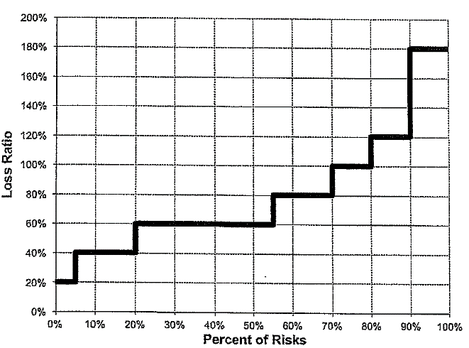
 |  |  |  | Loss Ratio at limit = | 90%

 |  |  |  | Loss Ratio Savings = | 23.00%

 |  |  |  | Insurance Savings = Loss Ratio Savings / Expected Loss Ratio
 |  |  |  | Insurance Savings at entry ratio = |  | 0.2875

 |  |  | b.) | Since the average loss ratio increases, the entry ratio of 1.125 would correspond to a higher loss ratio.
 |  |  |  | This means the insurance savings would increase, all else being equal.

Find | a.) Calculate the insurance savings at an entry ratio of 1.125.

 | b.) The risks above the 90th percentile have their losses
 | restated, significantly increasing the loss ratio. Describe the
 | change to the insurance savings at an entry ratio of 1.125.

Fisher_Visualization3
Reading: | Fisher.Visualization | Return to TOC |  | Solution
Model: | 2013 Exam 8 Q15 |  | a.) | Refer to the yellow boxes.
Problem Type: | Identify the parts in the Lee diagram

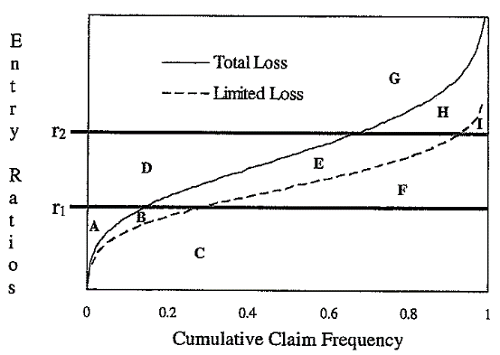
Given | The following diagram which depicts a book of business for a retrospectively
 | rated Workers' Compensation plan:

 | The descriptions of the labels on the diagram are as follows:
 | • r1 = Aggregate maximum
 | • r2 = Aggregate minimum
 | • Total loss – total aggregate losses with no per-accident limit.
 | • Limited loss – Total aggregate losses after application of a per-accident limit.

φ – The Table M insurance charge at r₂
ψ – The Table M savings at r₁
Find | Match the letters in the Lee diagram above with the descriptions below.
 | i.) H + I
 | ii.) A
φ* – The Table L insurance charge at r₂
 | iii.) I + B + E + H
ψ* – The Table L savings at r₁
 | iv.) A + B
I – The amount expected to be paid by the insured with an aggregate limit but no per-accident limit.
 | v.) A + B + C + E+ F
I* – The amount expected to be paid by the insured in the presence of both an aggregate and a per-accident limit.
 | vi.) A + B + C + F

Fisher_Visualization5
$$φ\left(r_{H}\right)−φ\left(r_{G}\right)=\frac{\left(e+E\left[A\right]\right)T−H}{cE\left[A\right]T}$$
Reading: | Fisher.Visualization |  | Return to TOC |  | Solution
Model: | 2014 Exam 8 Q18 |  |  | a.) | Balance Equations
Problem Type: | Create a balanced plan

$$r_{G}−r_{H}=\frac{G−H}{cE\left[A\right]T}$$
Given | An actuary prices a retrospectively rated policy with the following
 | provisions resulting in a balanced plan:

 | 17,500 | Minimum Premium |  |  | Since there are no taxes the tax multiplier, T, is 1.
 | 80,000 | Maximum Premium
 | 8,125 | Expense Provision |  |  | E[A] = | $45,000
 | 1.250 | Loss Conversion Factor
 |  |  |  |  | G = | 80,000
 | • Aggregate losses follow a uniform distribution between $0 and $100,000. |  |  |  | H = | 17,500
 | • There are no taxes.
 |  |  |  |  | The second equation yields rG - rH = |  |  |  | 1.11111
 | After pricing the policy, the actuary discovers an error in the original loss
 | distribution and determines that losses should instead follow a uniform |  |  |  | The first equation yields φ(rH) - φ(rG) = |  |  |  | 0.63333333333
 | distribution between $0 and $90,000. The actuary decides to re-balance the
 | plan based on the corrected distribution while still maintaining the same |  |  |  | The Lee diagram for a uniform distribution has F(x) from 0 to 1 on the x-axis, and
 | minimum and maximum premium. |  |  |  | entry ratios from 0 to 2 on the y-axis.
 |  |  |  |  | The maximum entry ratio is 2 = 90,000 / 45,000 = b / (0+b)/2 when losses are uniform on [0, b].
Find | Calculate the loss at minimum premium and loss at maximum premium that
 | re-balance the plan. |  |  |  | The Lee diagram is a straight line between (0,0) and (1,2).

 |  |  |  |  | The first balance equation corresponds to the area of a trapezoid somewhere in the middle of the triangle formed by the Lee diagram.
 |  |  |  |  | The area of this trapezoid is given by:
$$\left(r_{G}−r_{H}\right)⋅\left(1−\frac{r_{G}}{2}\right)+\frac{\left(r_{G}−r_{H}\right)⋅\left(\frac{r_{G}−r_{H}}{2}\right)}{2}=0.633333$$

 |  |  |  |  | Substituting in the second balance equation yields
 |  |  |  |  | (1 - rG/2) = |  | 0.29222222222
 |  |  |  |  | rG = |  | 1.4155555556
 |  |  |  |  | Then rH = |  | 0.30444

 |  |  |  |  | Multiplying by E[A] yields
 |  |  |  |  | Loss at maximum premium = |  |  | $63,700
 |  |  |  |  | Loss at minimum premium = |  |  | $13,700

Fisher_Visualization7
Reading: | Fisher.Visualization |  | Return to TOC |  | Solution
Model: | 2016 Exam 8 Q13 |  |  | a.) | The converted insurance charge is cI = c(φ(rmax) - ψ(rmin))
Problem Type: | Calculate the converted insurance charge |  |  |  | c = | 1.085
 |  |  |  |  | Expected loss = |  | $6,000,000
Given | A risk is written using a retrospective rating plan with the following characteristics:
 | $10,000,000 | Standard Premium |  |  | Notice the graph is given in terms of loss ratio rather than entry ratios. So φ(rmax) corresponds
 | 60% | Expected Loss Ratio |  |  | to the area above an 80% loss ratio divided by the expected loss ratio, and ψ(rmin) is the area
 | 80% | Loss Ratio at Maximum Premium |  |  | below the 20% loss ratio divided by the expected loss ratio.
 | 20% | Loss Ratio at Minimum Premium
 | 1.085 | Loss Conversion Factor |  |  | φ(rmax) = | 0.1333
 | 0.970 | Provision for Losses and Total Expenses Exclusive of Taxes |  |  | ψ(rmin) = | 0.0667

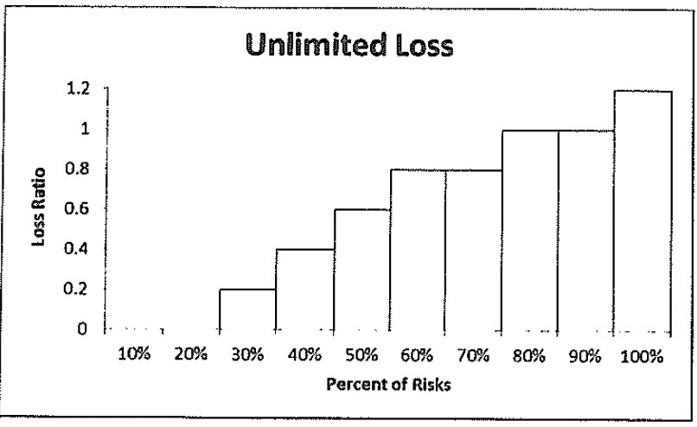
 | The following Lee Diagram depicts actual experience from a sample of similarly-sized |  |  |  | converted insurance charge = |  |  | $434,000
 | risks and similar to the risk in question:
 |  |  |  | b.) | R = (B + cL)*T where T is the Tax multiplier, B is the Basic premium and L is the ratable loss.

 |  |  |  |  | Basic premium B = e - (c - 1)*E + cI
 |  |  |  |  | where e is the expense provision in dollars.
 |  |  |  |  | e = (Provision for Loss and Expense - Expected Loss Ratio)*Standard Premium
 |  |  |  |  | e = | $3,700,000

 |  |  |  |  | B = | $3,624,000

 |  |  |  |  | R = | $12,500,000 | (given)

 |  |  |  |  | Actual loss ratio = ultimate loss / standard premium
 |  |  |  |  | 87.0%
 |  |  |  |  | This is greater than the loss ratio allowed at maximum premium, so cap ratable loss at 80%.
 |  |  |  |  | Therefore, L = |  | $8,000,000

Find | a.) Determine the converted insurance charge for this plan. |  |  |  | Solve for the Tax Multiplier
 |  |  |  |  | T = R / (B + cL) = |  | 1.01593
 | b.) The insured's actual ultimate losses are $8,700,000 and the final retrospective
 | premium is $12,500,000. Determine the tax multiplier that was used in the rating
 | of this plan.

Fisher_TableL3
Reading: | Fisher.TableL | Return to TOC |  | Solution
Model: | 2014 Exam 8 Q12 |  | a.) | 50.0% | Expected Unlimited Loss Ratio
Problem Type: | Construct a Table L
 |  |  |  | 40.0% | Expected Limited Loss Ratio
Given | The following Lee diagrams depict the loss experience
 | of a group of 10 similar risks; one for unlimited losses |  |  | 20.0% | Excess Ratio, k
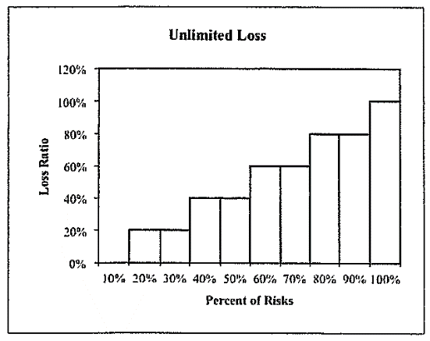
 | and the other for limited losses.
 |  |  |  | Table L entry ratio = actual limited losses / expected unlimited losses
 |  |  |  | When building a Table L we use the limited loss data.

 |  |  |  | Loss Ratio | Entry Ratio | # Risks | # Risks > | % Risks > | φ*D(r) - k | φ*D(r)
 |  |  |  | 0% | 0.00 | 2 | 8 | 80.0% | 0.80 | 1.00
 |  |  |  | 20% | 0.40 | 1 | 7 | 70.0% | 0.48 | 0.68
 |  |  |  | 40% | 0.80 | 3 | 4 | 40.0% | 0.20 | 0.40
 |  |  |  | 60% | 1.20 | 3 | 1 | 10.0% | 0.04 | 0.24
 |  |  |  | 80% | 1.60 | 1 | 0 | 0.0% | 0.00 | 0.20
 |  |  |  | 100% | 2.00 | 0 | 0 | 0.0% | 0.00 | 0.20

 |  |  | b.) | 0.40 | Entry Ratio (given)
 |  |  |  | $500,000 | Expected Unlimited Loss (given)
 |  |  |  | $200,000 | Actual limited losses |  | ← This is the hypothetical aggregate limit

 |  |  |  | The Table L savings at entry ratio 0.4 describes the average amount by which the aggregate
 |  |  |  | limit of $200,000 exceeds the per-occurrence limited losses.
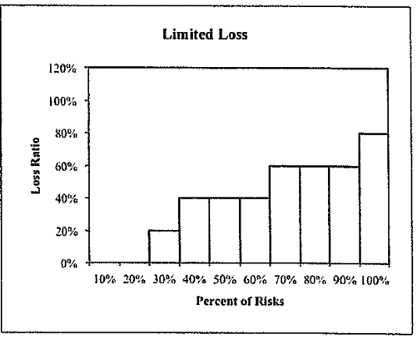

Find | a.) Calculate the Table L charges at loss ratios of 0%
 | to 100% in 20% increments.

 | b.) Describe what the Table L savings at an entry ratio
 | of 0.4 reflects, assuming an expected unlimited loss
 | of $500,000 and a per-accident limit of $100,000.

Fisher_TableL4
$$Excess Ratio k= \frac{E\left[X\right]−E[X;L]}{E[X]}$$
Reading: | Fisher.TableL |  |  |  |  |  | Return to TOC |  | Solution
Model: | 2017 Exam 8 Q17 |  |  |  |  |  |  | a.)
Problem Type: | Apply the ICRLL procedure
 |  |  |  |  |  |  |  |  | k = | 0.28571428571
$$ICRLL Adjustment= \frac{1+0.8⋅k}{1−k}$$
Given | A Workers' Compensation policy has the following limits and expected losses:
 | $300,000 | Per-Occurrence Limit
 | $700,000 | Expected Unlimited Aggregate Losses
 | $500,000 | Expected Limited Aggregate Losses |  |  |  |  |  |  | ICRLL = | 1.720
 | $800,000 | Aggregate Deductible Limit
 | 0.95 | State/Hazard Group Differential |  |  |  |  |  |  | Adjusted Expected Unlimited Loss = |  | $1,143,800
 |  |  |  |  |  |  |  |  | Implies expected loss group 28
 | Table of Expected Loss Groups (ELGs)
 | ELG | Range of Values |  |  |  |  |  |  | (Limited) Entry Ratio = Aggregate Deductible / Expected Limited Aggregate Loss
 | 31 | 630,001 | - | 720,000 |  |  |  |  | 1.60
 | 30 | 720,001 | - | 830,000
 | 29 | 830,001 | - | 990,000 |  |  |  |  | Look up Table M insurance charge based on entry ratio and expected loss group
 | 28 | 990,001 | - | 1,180,000 |  |  |  |  | 0.1322
 | 27 | 1,180,001 | - | 1,415,000
 | 26 | 1,415,001 | - | 1,744,000 |  |  |  |  | Expected loss cost = Expected per-occurrence excess loss + (Expected Limited Agg Losses)*(Table M insurance charge)
 |  |  |  |  |  |  |  |  | $266,100
 |  | Table M Insurance Charges
 | Entry | Expected Loss Group |  |  |  |  |  |  | The per-occurrence limit reduces the variance of the underlying severity distribution. So
 | Ratio | 31 | 30 | 29 | 28 | 27 | 26 |  | the variance of the aggregate distribution is reduced as well. The ICRLL procedure approximates
 | 0.43 | 0.5675 | 0.5626 | 0.5584 | 0.5543 | 0.5497 | 0.5456 |  | a Limited Table M by increasing the expected unlimited losses used to find the expected loss group
 | 0.60 | 0.4865 | 0.4799 | 0.4737 | 0.4676 | 0.4613 | 0.4553 |  | because policies with larger expected losses have lower variance in their aggregate loss distribution.
 | 1.14 | 0.2658 | 0.2552 | 0.2448 | 0.2341 | 0.2234 | 0.2128 |  | The ICRLL procedure also adjusts the expected loss for differences in risk and location via the
 | 1.60 | 0.1644 | 0.1537 | 0.1367 | 0.1322 | 0.1215 | 0.1107 |  | state/hazard group multiplier to further align the variance of the loss distribution
 | 2.67 | 0.0822 | 0.0769 | 0.0684 | 0.0661 | 0.0608 | 0.0554 |  | with the variances found in the Table M's.

Find | a.) Calculate the total expected loss cost for this policy using the Insurance Charge
 | Reflecting Loss Limitation (ICRLL) adjustment procedure.

 | b.) Describe how the ICRLL procedure is used to adjust expected losses for a
 | Workers' Compensation policy.

Fisher_CaseStudy4
Reading: | Fisher.CaseStudy |  |  |  |  |  | Return to TOC |  | Solution
Model: | 2014 Exam 8 Q17 |  |  |  |  |  |  | a.) | Guaranteed Cost Premium = (e + E[A])*T
Problem Type: | Determine the guaranteed cost and basic premiums
 |  |  |  |  |  |  |  |  | E[A] = | $650,000
Given | A large insured is considering a retrospectively rated policy for |  |  |  |  |  |  |  | e = | $200,000
 | its Workers' Compensation coverage with the following characteristics: |  |  |  |  |  |  |  | T = | 1.0416666667
 | $1,000,000 | Standard Premium
 | 65% | Unlimited Expected Loss Ratio |  |  |  |  |  |  | GCP = | $885,416.67
 | 20% | Expense Ratio
$$Excess Ratio k= \frac{E\left[X\right]−E[X;L]}{E[X]}$$
 | 1.1 | Loss Conversion Factor |  |  |  |  |  | b.) | Since we have expected loss groups it's implicit we should apply the ICRLL procedure.
 | 4% | Premium Tax
 | $1,200,000 | Maximum Premium
 | $750,000 | Minimum Premium |  |  |  |  |  |  | We're given the excess loss factor which is a ratio to standard premium.
 |  |  |  |  |  |  |  |  | $214,000 | Expected losses excess of $50,000 per-occurrence limit
 | The actuary will use the following tables for rating: |  |  |  |  |  |  |  | Hence,
 | Entry | Expected Loss Group (ELG) |  |  |  |  |  |  | E[A_D] = | $436,000
 | Ratio | 31 | 30 | 29 | 28 | 27 | 26
 | 0.70 | 0.4026 | 0.4000 | 0.3975 | 0.3949 | 0.3924 | 0.3898 |  | So k = | 0.32923076923
$$ICRLL Adjustment= \frac{1+0.8⋅k}{1−k}$$
 | 0.80 | 0.3912 | 0.3826 | 0.3740 | 0.3656 | 0.3581 | 0.3489
 | 0.90 | 0.3519 | 0.3426 | 0.3334 | 0.3242 | 0.3189 | 0.3060
 | 1.00 | 0.3135 | 0.3037 | 0.2938 | 0.2839 | 0.2809 | 0.2642
 | 1.10 | 0.2777 | 0.2673 | 0.2570 | 0.2464 | 0.2416 | 0.2254 |  | ICRLL = | 1.883
 | 1.20 | 0.2519 | 0.2413 | 0.2307 | 0.2200 | 0.2093 | 0.1986
 | 1.30 | 0.2300 | 0.2194 | 0.2088 | 0.1981 | 0.1874 | 0.1766 |  | Since we're not told anything about a state/hazard group ratio we assume it is 1.000.
 | 1.40 | 0.2081 | 0.1975 | 0.1868 | 0.1761 | 0.1654 | 0.1547
 | 1.50 | 0.1863 | 0.1756 | 0.1649 | 0.1542 | 0.1435 | 0.1327 |  | $1,224,266.06 | Adjusted expected losses
 | 1.60 | 0.1644 | 0.1537 | 0.1429 | 0.1322 | 0.1215 | 0.1107 |  | The adjusted expected losses correspond to ELG 27.

 | ELG | Expected Loss Range |  |  | Per- | Excess |  |  | When performing the ICRLL procedure use the Limited Table M entry ratio
 | 31 | 630,000 - 720,000 |  |  | Occurrence | Loss |  |  | which is the actual aggregate limit / expected limited losses
 | 30 | 720,001 - 830,000 |  |  | Limit | Factor
 | 29 | 830,001 - 990,000 |  |  | $50,000 | 0.214 |  |  | Although we're not told the plan is balanced, we will assume it is.
 | 28 | 990,001 - 1,180,000
 | 27 | 1,180,001 - 1,415,000 |  |  |  |  |  |  | Balance Equations
$$φ_{D}\left(r_{H}\right)−φ_{D}\left(r_{G}\right)=\frac{\left(e+E\left[A\right]\right)T−H}{cE\left[A_{D}\right]T}$$
 | 26 | 1,415,001 - 1,744,000

$$r_{G}−r_{H}=\frac{G−H}{cE\left[A_{D}\right]T}$$
Find | a.) Determine the guaranteed cost premium.

 | b.) Determine the basic premium for a $50,000 per-occurrence limit, assuming the
 | per-occurrence charge is not contained within the basic premium formula. |  |  |  |  |  |  |  | G and H are the maximum and minimum premiums respectively.

 | The insured's risk manager believes the retrospective premium can be |  |  |  |  |  |  |  | So φD(rH) - φD(rG) = | 0.27105921601
 | reduced by selecting a higher per-occurrence limit because the insured will
 | assume a greater portion of the losses. |  |  |  |  |  |  |  | rG - rH = | 0.90075062552

 | c.) Evaluate the risk manager's assertion. |  |  |  |  |  |  |  | Perform a Table M search using entry ratios which are 0.9 apart.
 |  |  |  |  |  |  |  |  | Only entry ratios 1.6 and 0.7 are 0.9 apart so these are rG and rH respectively.
 |  |  |  |  |  |  |  |  | We can check that for ELG 27 the charge difference is |  | 0.2709
 |  |  |  |  |  |  |  |  | which is very close to our calculated value.

 |  |  |  |  |  |  |  |  | The basic premium is given by B = e - (c-1)E[A] + c*ID
 |  |  |  |  |  |  |  |  | Here we are not including the charge for losses in excess of the per-occurrence limit within the basic premium

 |  |  |  |  |  |  |  |  | ID = [ φ(rG) - ψ(rH) ] * E[AD]
 |  |  |  |  |  |  |  |  | ψ(rH) = | 0.0924
 |  |  |  |  |  |  |  |  | φ(rG) = | 0.1215
 |  |  |  |  |  |  |  |  | ID = | $12,687.60

 |  |  |  |  |  |  |  |  | B = | $148,956.36

 |  |  |  |  |  |  |  | c.) | There are two ways the risk manager's assertion may be interpreted:
 |  |  |  |  |  |  |  |  | 1.) If they mean the expected retrospective premium can be reduced then this is not true.
 |  |  |  |  |  |  |  |  | Selecting a higher per-occurrence limit reduces the insurance charge but allows more ratable losses in.
 |  |  |  |  |  |  |  |  | In a balanced plan the retrospective premium equals the guaranteed cost premium so the expected retrospective premium remains the same regardless of the selected per-occurrence limit.

 |  |  |  |  |  |  |  |  | 2.) If they mean the actual retrospective premium can be reduced then the
 |  |  |  |  |  |  |  |  | impact depends on the insured's expected losses. A higher per-occurrence limit means a lower insurance charge.
 |  |  |  |  |  |  |  |  | If their losses are generally already smaller than the exisiting per-occurrence limit then increasing the per-occurrence
 |  |  |  |  |  |  |  |  | limit will reduce the insurance charge and not introduce more ratable losses.
 |  |  |  |  |  |  |  |  | This would result in a lower actual retrospective premium.

Fisher_CaseStudy6
$$LDD Premium= \frac{\left(Expected Excess Loss+Insurance Charge⋅Expected Limited Loss\right)+Expected Unlimited Loss⋅\left(ULAE\%+LBA\right)+Fixed Expense}{1 −Profit \& Variable Expenses}$$
Reading: | Fisher.CaseStudy |  |  |  | Return to TOC |  | Solution
Model: | 2016 Exam 8 Q16 |  |  |  |  | a.) | Expiring Structure
Problem Type: | Calculate the LDD premiums

Given | An actuary is given the following expiring policy information for a Workers' Compensation
 | Large Dollar Deductible policy: |  |  |  |  |  | Where LBA is the loss based assessment factor.
 | $500,000 | Expected Total Loss & ALAE
 | $100,000 | Deductible |  |  |  |  | The expiring policy has a $100,000 deductible so the
 | 40% | Percentage of Loss & ALAE Excess of $100,000 |  |  |  |  | Expected Excess Loss = | $200,000
 | 20% | Percentage of Loss & ALAE Excess of $200,000
 | 5% | ULAE |  |  |  |  | Hence the expected limited loss = |  | $300,000
 | 3% | Loss Based Assessment Factor
 | 17% | Profit and Variable Expenses |  |  |  |  | Since we have an aggregate deductible and a per-occurrence deductible we need to calculate
 | $15,000 | Fixed Expense |  |  |  |  | a limited entry ratio = Aggregate Deductible / Expected Limited Loss
 | $300,000 | Aggregate Deductible
 |  |  |  |  |  |  | Limited Entry Ratio = | 1.000
 | There are no changes to these expenses and profit provision. The table of Insurance
 | Charges is displayed below: |  |  |  |  |  | Using the Modified Table M to look up the limited entry ratio and deductible yields
 | Modified Table M for Similarly Sized Policies |  |  |  |  |  | an insurance charge of | 0.330
 |  | Deductible
 | Entry Ratio | $100,000 | $200,000 | $300,000 | $400,000 |  | Expiring LDD Premium = | $426,506.02
 | 0.5 | 0.450 | 0.480 | 0.495 | 0.505
 | 1.0 | 0.330 | 0.350 | 0.365 | 0.370 |  | Option 1 Pricing
 | 1.5 | 0.270 | 0.303 | 0.325 | 0.350 |  | $200,000 deductible so the expected excess loss is |  |  | $100,000
 | 2.0 | 0.185 | 0.240 | 0.260 | 0.286 |  | Expected Limited Loss = | $400,000

 | The insured would like to retain more risk and requests the price of the following options: |  |  |  |  |  | New aggregate deductible = | $400,000
 | Option 1: Deductible of $200,000 with an aggregate deductible of $400,000. |  |  |  |  |  | Limited Entry Ratio = | 1.000
 |  |  |  |  |  |  | Using the Modified Table M to look up the insurance charge of |  |  |  | 0.350
 | Option 2: Excess Policy with self-insured retention of $200,000 on a per-occurrence basis.
 |  |  |  |  |  |  | Option 1 LDD Premium = | $355,421.69
Find | a.) Calculate the difference in price between Option 1 and the expiring structure.
 | Use linear interpolation as needed. |  |  |  |  |  | So Option 1 is $71,084.34 cheaper than the expiring policy.

 | b.) The insurer observed an upward trend of ground-up losses in the insured's industry for |  |  |  |  | b.) | Recommend Option 1 from the insurer's perspective because an upward trend in the ground-up
 | the most recent year, but is unsure if this trend will continue in the future. Based on this |  |  |  |  |  | losses will be amplified in an excess layer. This is because claims already in the excess layer
 | observation, recommend one of the two options for the insurer and fully support the |  |  |  |  |  | have the trend apply entirely in the excess layer, while claims just below the layer will be
 | recommendation. |  |  |  |  |  | pushed into the excess layer. The insurer will handle all claims under the LDD policy so has
 |  |  |  |  |  |  | an incentive to keep costs down and offset the observed trend.
 |  |  |  |  |  |  | Further, since LDD policies compete on both price and service, they could support a more
 |  |  |  |  |  |  | conservative profit and expense load which would hedge against the observed trend.

Fisher_CaseStudy7
Excess$Premium= \frac{Expected Excess Loss⋅\left(1+ULAE\%\right)+Standard Premium ∗ General Expense}{1−Acq. −Taxes −Profit}$
Reading: | Fisher.CaseStudy |  | Return to TOC |  | Solution
Model: | 2016 Exam 8 Q15 |  |  | a.) | The premium for an excess Workers' Compensation policy is given by
Problem Type: | Calculate the deductible

Given | Given the following information about a Workers'
 | Compensation book of business: |  |  |  | Recall this type of policy only handles and pays out on claims above the deductible.
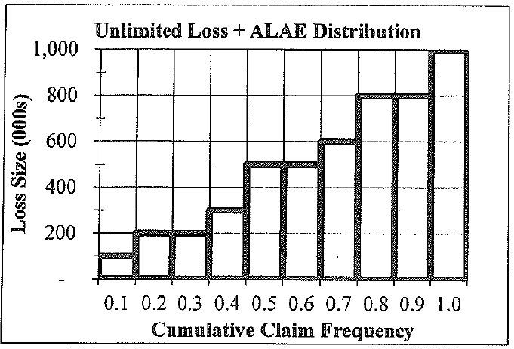
 |  |  |  |  | So at maximum premium we have
 |  |  |  |  | 100,000 = | (Expected Excess Loss * 1.05 + 840,000*2%) / (1 - 5% - 3% - -8.8%)

 |  |  |  |  | Solving for the expected excess loss at maximum premium yields
 |  |  |  |  | Expected Excess Loss at Max. Premium = |  |  | $80,000

 |  |  |  |  | Using the graph provided we can estimate the expected unlimited loss.
 |  |  |  |  | Notice here we're using "loss" to mean Loss + ALAE

 |  |  |  |  | Expected Unlimited Loss & ALAE = |  |  | $500,000

 |  |  |  |  | The ratio of expected excess loss at maximum premium to expected unlimited loss is
 |  |  |  |  | 0.16

 | $840,000 | Standard Premium |  |  | The excess ratio at deductible d is defined as the average excess loss above the deductible
 | 2.0% | Loss based assessment factor |  |  | divided by the expected unlimited loss.
 | 5.0% | Ratio of ULAE to Loss
 | 2.0% | General overhead expense |  |  | We need to find a deductible d that produces an excess ratio of 0.16
 | 4.0% | Risk load for credit risk
 | 5.0% | Acquisition expense |  |  | Using trial and error we get when d = $600,000
 | 3.0% | Taxes |  |  | Excess ratio @ $600,000 = |  | 0.16
 | -8.8% | Profit
 |  |  |  |  | So the required deductible is $600,000.
Find | a.) Calculate the deductible for an excess Workers' Compensation
 | policy that minimizes the insured's loss retention with a maximum |  |  | b.) | The profit load for a large dollar deductible plan is usually higher than that for an excess Workers'
 | premium of $100,000. |  |  |  | Compensation plan because the LDD plan competes on both price and service while the excess
 |  |  |  |  | WC plan competes on price alone.
 | b.) Contrast the profit load in a large dollar deductible (LDD) policy
 | to the profit load in an excess Workers' Compensation policy. |  |  |  | Alice: "This was a tricky question because excess Workers' Compensation policies are
 |  |  |  |  | said to have a retention rather than a deductible. Make sure you state any assumptions
 |  |  |  |  | you make on the exam."

Fisher_CaseStudy9
$$k= \frac{E\left[X\right]−E[X;100,000]}{E[X]}$$
Reading: | Fisher.CaseStudy |  |  |  |  | Return to TOC |  | Solution
Model: | 2018 Exam 8 Q10 |  |  |  |  |  | a.) | Do not use policy year 2018 as this year is incomplete. Assume the LDFs are policy year LDFs.
Problem Type: | Calculate the expected reported losses and experience modification factor
 |  |  |  |  |  |  |  | Excess ratio:
Given | An actuary is analyzing an experience rating plan using three years of
 | experience that has the following information: |  |  |  |  |  |  | k = | 0.79533121257

 | Policy effective date |  |  |  | 2019-01-01 |  |  | Year | Expected Ultimate Unlimited Loss | % Limited | Loss Trend | LDF | Expected Ultimate Limited Loss
 | Policy term |  |  |  | One Year
 | Annual loss trend |  |  |  | 2%
 | Cap for individual claims |  |  |  | 100,000 |  |  | 2017 | 500,000 | 20.5% | 1.0404 | 1.50 | 65,574
 | Credibility factor |  |  |  | 0.60 |  |  | 2016 | 500,000 | 20.5% | 1.0612 | 1.23 | 78,400
 | Expected ultimate loss before modification |  |  |  | 500,000 |  |  | 2015 | 500,000 | 20.5% | 1.0824 | 1.20 | 78,784
 |  |  |  |  |  |  |  |  |  |  |  | Total | 222,758
 | Reported Losses on Individual Claims by Policy Year as of June 30, 2018 |  |  |  |  |  |  | Trend from 2017 to 2019 is 2 years, and so on.
 | 2015 | 2016 | 2017 | 2018
 | 3,450 | 2,389 | 456 | 5,694 |  |  |  | Expected reported loss = |  |  | 222,758
 | 5,000 | 345 | 126,890 | 99,832
 | 234 | 1,236,806 | 2,345 | 76,532 |  |  | b.) | 2015 | 2016 | 2,017
 | 98,000 |  | 1,874 |  |  |  |  | 3,450 | 2,389 | 456
 | 324,789 |  | 690 |  |  |  |  | 5,000 | 345 | 100,000
 |  |  | 26,986 |  |  |  |  | 234 | 100,000 | 2,345
 |  |  |  |  |  |  |  | 98,000 |  | 1,874
 | The actuary has determined limited loss development factors (LDFs) and |  |  |  |  |  |  | 100,000 |  | 690
 | limited expected values using aggregate data from similar policies as follows: |  |  |  |  |  |  |  |  | 26,986

$$\text{Experience} \text{Mod}=Z⋅\left(\frac{Actual Loss}{Expected Loss}\right)+\left(1−Z\right)⋅1$$
 | Maturity to | Limited |  | Limit | Limited Expected |  |  | Historical Capped Losses |  |  | 441,769
 | Ultimate | LDFs |  |  | Value
 | 18 months | 1.50 |  | 100,000 | 17,500
 | 30 months | 1.23 |  | 500,000 | 28,567
 | 42 months | 1.20 |  | 1,000,000 | 43,393 |  |  | Mod = | 1.590
 |  |  |  | Unlimited | 85,504

Find | a.) Calculate the expected reported losses for this plan for the three years
 | of experience combined.

 | b.) Calculate the experience modification factor for this policy.

