W-Fisher_TableL1
Reading: |  | Fisher.TableL | Return to TOC | Solution
Model: |  | Source text: Chapter 3 Q14
Problem Type: |  | Draw a Lee diagram and calculate the Table L insurance charge and savings |  | First we need to know the maximum entry ratio for the unlimited distribution. The unlimited loss distribution has an expected loss of 500
 |  |  |  | So its maximum entry ratio is 1000 / 500 = 2.
Given |  | A policy has the following properties: |  | Similiarly, we get the minimum entry ratio for the unlimited distribution as 0 / 500 = 0
0 | 1000 | • Its unlimited loss distribution is continuous and uniform on the interval [0, 1000] |  | Since the unlimited loss distribution is continuous and uniform, we know its Lee diagram will be a straight line from (0,0) to (1,2)
$$\frac{\text{Limited} \text{Aggregate} \text{Loss}}{\text{Expected} \text{Unlimited} \text{Aggregate} \text{Loss}}$$
0 | 800 | • Its limited loss distribution is continuous and uniform on the interval [0, 800]
 | 1 | • Its entry ratio is 1.05 times the expected unlimited loss. |  | Next, we need to plot the limited loss distribution. Recall the formula for the Table L entry ratio is

Find |  | Draw a Lee diagram representing this policy and calculate the following: |  | Since the limited loss distribution is continuous and uniform, we know it will be represented by a straight line.
 | a) | φ(1.05) |  | The minimum entry ratio for the limited loss distribution is 0 / 500 = 0
 |  |  |  | The maximum entry ratio for the limited loss distribution is 800 / 500 = 1.6
 | b) | ϕ(1.05)
 |  |  |  | Bringing this all together yields the following Lee diagram
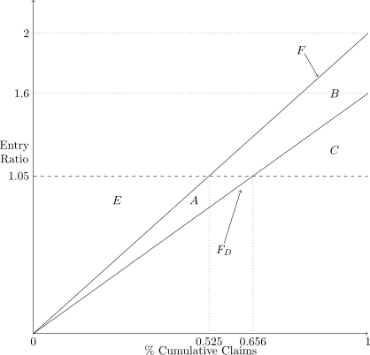

 |  |  |  | From the Lee diagram we can deduce the areas which represent the Table L insurance charge and savings at an entry ratio of 1.05

 |  |  |  | Table L insurance charge = A + B + C
 |  |  |  | Table L insurance savings = A + E

 |  |  |  | Note the area under the curve F is equal to 1 and we can calculate x-axis coordinates by taking the ratio of the entry ratio to the maximum
 |  |  |  | entry ratio for each curve. This gives

$$ψ_{D}^{∗}=φ_{D}^{∗}\left(r\right)+r −1$$
 |  |  |  | φ(1.05) = | 1 - 0.5*1*1.6 + 0.5*( 1 - 1.05 / 1.6 ) * ( 1.6 - 1.05) = 0.294531
 |  |  |  |  | 0.294531
 |  |  |  | Then using

 |  |  |  | ϕ(1.05) = | 0.294531 + 1.05 - 1 = 0.344531

