Fisher_ExpRating3
Reading: | Fisher.ExpRating |  |  | Return to TOC |  | Solution
Model: | 2013 Exam 8 Q9 |  |  |  | a.)
Problem Type: | Calculate the experience mod

Given | Suppose that Workers' Compensation risks are subject to a
 | no-split experience rating plan under which credibility, as a
 | function of expected loss, is calculated as follows:
$$Z=\frac{E}{E+50,000}$$

 | During the experience rating period, a group of homogeneous
 | risks had the following experience:

 |  | Losses
 | Risk | Actual | Expected
 | 1 | 130,000 | 125,000
 | 2 | 60,000 | 85,000
 | 3 | 160,000 | 150,000
 | 4 | 200,000 | 130,000
 | 5 | 100,000 | 150,000
 | 6 | 250,000 | 175,000

 | After the experience modifications were applied, the same
 | group of risks has the following experience:

 |  | Manual | Actual
 | Risk | Premium | Loss
 | 1 | 50,000 | 35,000
 | 2 | 50,000 | 25,000
 | 3 | 70,000 | 60,000
 | 4 | 75,000 | 50,000
 | 5 | 65,000 | 40,000
 | 6 | 65,000 | 100,000

Find | a.) Assess how effectively the experience rating plan corrected
 | for the differences it identified for these particular Workers'
 | Compensation risks. Group the risks as appropriate.

 | b.) Propose and justify a change to the plan which would
 | improve its ability to correct the differences it identifies.

Fisher_ExpRating6
Reading: | Fisher.ExpRating |  |  |  |  | Return to TOC |  | Solution
Model: | 2015 Exam 8 Q10 |  |  |  |  |  | a.)
Problem Type: | Components of the experience mod plus credibility considerations

Given | One common expression for the experience modification for
 | a single-split plan is:
$$M=1+\frac{Z_{p}\left(A_{p}−E_{p}\right)}{E}+\frac{Z_{e}\left(A_{e}−E_{e}\right)}{E}$$

 | where:
 | M is the experience modification factor
 | Zp and Ze are credibility constants
 | Ap and Ep are the actual and expected primary loss respectively
 | Ae and Ee are the actual and expected excess loss respectively
 | E is the total expected loss

Find | a.) In the right-hand side of the equation above, there are three
 | terms separated by '+' signs. Briefly describe the role that each
 | term serves in computing the experience mod.

 | b.) Of the two credibility constants, Zp and Ze, identify which of
 | the two is typically larger in magnitude and explain why.

 | c.) Determine the effectiveness of each of the following
 | credibility functions and select which function is most appropriate.

 | Expected | Credibility Function
 | Loss | 1 | 2 | 3 | 4
 | 1,000 | 15% | 65% | 55% | 80%
 | 2,000 | 35% | 75% | 63% | 75%
 | 3,000 | 55% | 85% | 70% | 62%
 | 4,000 | 75% | 95% | 76% | 53%
 | 5,000 | 95% | 105% | 81% | 40%

Fisher_Visualization1
Reading: | Fisher.Visualization | Return to TOC |  | Solution
Model: | 2012 Exam 8 Q21 |  | a.)
Problem Type: | Calculate the insurance savings

Given | A group of similar risks has an average loss ratio of 80%.
 | The following Lee diagram depicts this group of risks:
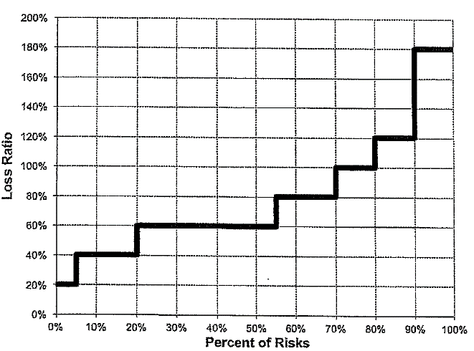

Find | a.) Calculate the insurance savings at an entry ratio of 1.125.

 | b.) The risks above the 90th percentile have their losses
 | restated, significantly increasing the loss ratio. Describe the
 | change to the insurance savings at an entry ratio of 1.125.

Fisher_Visualization3
ψ – The Table M savings at r₁
Reading: | Fisher.Visualization | Return to TOC |  | Solution
Model: | 2013 Exam 8 Q15 |  | a.)
Problem Type: | Identify the parts in the Lee diagram

ψ* – The Table L savings at r₁
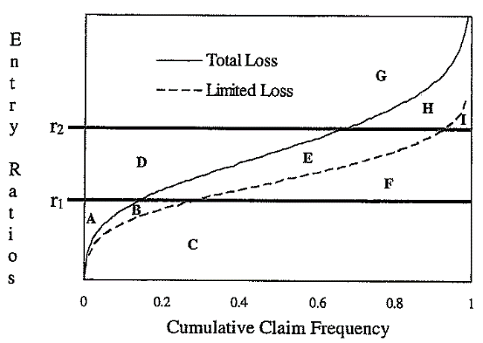
Given | The following diagram which depicts a book of business for a retrospectively
 | rated Workers' Compensation plan:

φ* – The Table L insurance charge at r₂

I* – The amount expected to be paid by the insured in the presence of both an aggregate and a per-accident limit.

φ – The Table M insurance charge at r₂

I – The amount expected to be paid by the insured with an aggregate limit but no per-accident limit.

 | The descriptions of the labels on the diagram are as follows:
 | • r1 = Aggregate maximum
 | • r2 = Aggregate minimum
 | • Total loss – total aggregate losses with no per-accident limit.
 | • Limited loss – Total aggregate losses after application of a per-accident limit.

Find | Match the letters in the Lee diagram above with the descriptions below.
 | i.) H + I
 | ii.) A
 | iii.) I + B + E + H
 | iv.) A + B
 | v.) A + B + C + E+ F
 | vi.) A + B + C + F

Fisher_Visualization7
Reading: | Fisher.Visualization |  | Return to TOC |  | Solution
Model: | 2016 Exam 8 Q13 |  |  | a.)
Problem Type: | Calculate the converted insurance charge

Given | A risk is written using a retrospective rating plan with the following characteristics:
 | $10,000,000 | Standard Premium
 | 60% | Expected Loss Ratio
 | 80% | Loss Ratio at Maximum Premium
 | 20% | Loss Ratio at Minimum Premium
 | 1.085 | Loss Conversion Factor
 | 0.970 | Provision for Losses and Total Expenses Exclusive of Taxes

 | The following Lee Diagram depicts actual experience from a sample of similarly-sized
 | risks and similar to the risk in question:
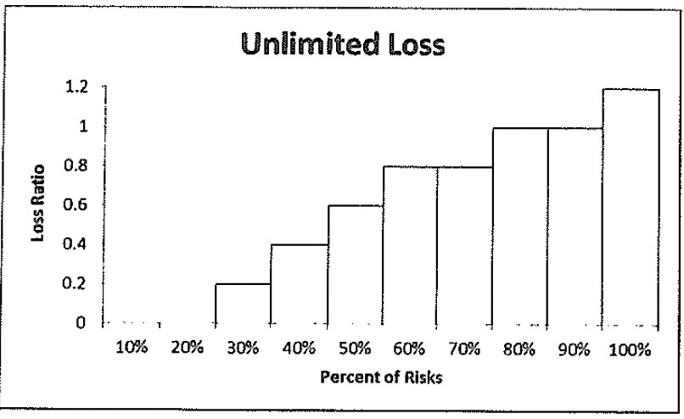

Find | a.) Determine the converted insurance charge for this plan.

 | b.) The insured's actual ultimate losses are $8,700,000 and the final retrospective
 | premium is $12,500,000. Determine the tax multiplier that was used in the rating
 | of this plan.

Fisher_TableL3
Reading: | Fisher.TableL | Return to TOC |  | Solution
Model: | 2014 Exam 8 Q12 |  | a.)
Problem Type: | Construct a Table L

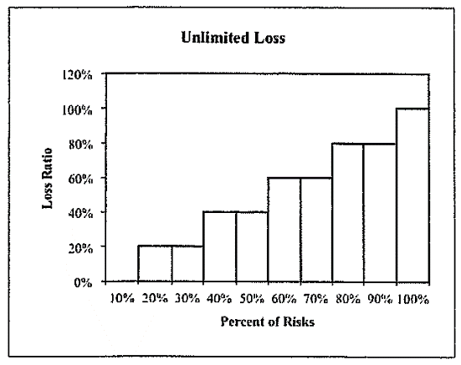
Given | The following Lee diagrams depict the loss experience
 | of a group of 10 similar risks; one for unlimited losses
 | and the other for limited losses.

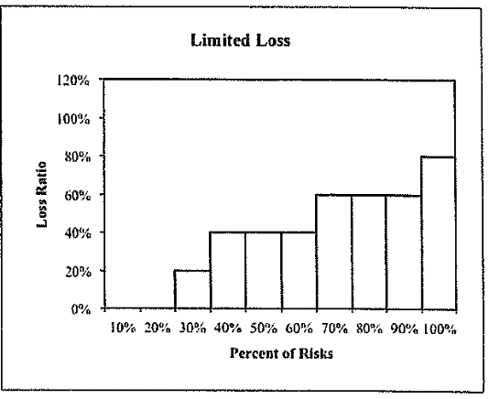

Find | a.) Calculate the Table L charges at loss ratios of 0%
 | to 100% in 20% increments.

 | b.) Describe what the Table L savings at an entry ratio
 | of 0.4 reflects, assuming an expected unlimited loss
 | of $500,000 and a per-accident limit of $100,000.

Fisher_CaseStudy7
Reading: | Fisher.CaseStudy |  | Return to TOC |  | Solution
Model: | 2016 Exam 8 Q15 |  |  | a.)
Problem Type: | Calculate the deductible

Given | Given the following information about a Workers'
 | Compensation book of business:
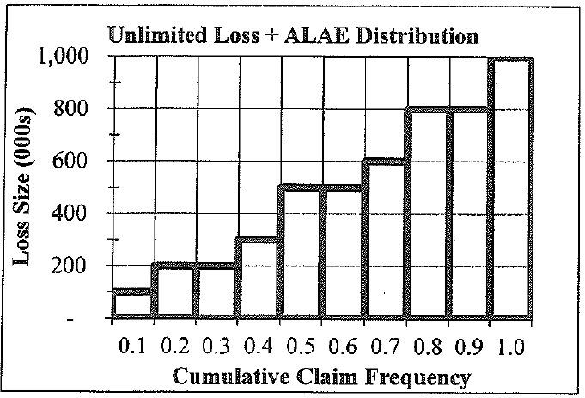

 | $840,000 | Standard Premium
 | 2.0% | Loss based assessment factor
 | 5.0% | Ratio of ULAE to Loss
 | 2.0% | General overhead expense
 | 4.0% | Risk load for credit risk
 | 5.0% | Acquisition expense
 | 3.0% | Taxes
 | -8.8% | Profit

Find | a.) Calculate the deductible for an excess Workers' Compensation
 | policy that minimizes the insured's loss retention with a maximum
 | premium of $100,000.

 | b.) Contrast the profit load in a large dollar deductible (LDD) policy
 | to the profit load in an excess Workers' Compensation policy.

