Holmes_PenReg1
Reading: |  | Holmes.PenalizedRegression | Return to TOC |  | Solution
Model: |  | Source Text |  | a.) | The GLM model is the blue line because it has the greatest deviations from 1.000. GLM's consider any data to be fully credible.
Problem Type: |  | Ridge vs Lasso Regression and λ parameters |  |  | The Ridge model is the red line because it is between the GLM line and 1.000 and none of the relativities have been forced to 1.000.
 |  |  |  |  | The Lasso model is the grey line because low exposure categories have been penalized to a relativity of 1.000. The lasso
Given |  | Ian-the-Intern has been building a GLM, a ridge penalized regression, and a lasso |  |  | model is the only model which enforces sparsity.
 |  | penalized regression. All models use a log-link function.
 |  | Alice is reviewing the results before the big presentation to leadership. |  | b.) | Lasso regression is preferred over elastic net regression because it is more responsive to significant coefficients.

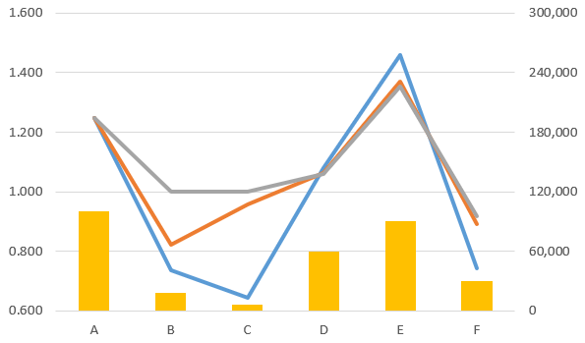
 | a.) | Help Alice briefly explain to Ian which of the lines in the graph below corresponds to |  | c.) | An acceptable range for ln(λ / λopt) is -0.25 to 0.25 because the graph is relatively flat here and the confidence intervals
 |  | which of the models as Ian forgot to label the output. |  |  | suggest the peak could be slightly either side of 0 depending on where the true value lies in each of the intervals.
 |  |  |  |  | This translates to the hyperparameter being in the range
 |  |  |  |  | min | 1.885
 |  |  |  |  | max | 3.107

 |  |  |  | d.) | Ian could select a hyperparameter greater than 3.107 if they are seeing illogical results such as reversals in the relativities for a rating variable.

 | b.) | Briefly explain why actuaries generally prefer lasso regression over elastic net regression.

 | c.) | Ian performed k-fold validation to tune their hyperparameter to λopt = 2.42.
 |  | Using the graph below, identify an acceptable range of λ parameters
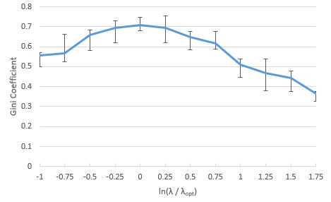

 | d.) | Briefly explain why Ian may reasonably select a λ parameter which lies above the
 |  | acceptable range identified in part c.) above.

Holmes_Transformations1
Reading: |  | Holmes.Transformations | Return to TOC |  | Solution
Model: |  | Source Text |  | a.) | Recommend using the medium penalty.
Problem Type: |  | Categorical variables and penalty parameters |  |  | The small penalty results in many reversals, such as between ages 24 through 26 where the indicated relativity spikes at 25.
 |  |  |  |  | The medium penalty smooths out the reversals without grouping too many levels which may be happening in the tail
Given |  | An actuary is pricing Bodily Injury coverage for a program which only |  |  | when the large penalty is used.
 |  | covers drivers during their first three years of driving. They are using lasso
 |  | penalized regression to fit an ordinal "Age First Licensed" variable. |  | b.) | Both nominal and ordinal variables are categorical variables, not continuous variables.
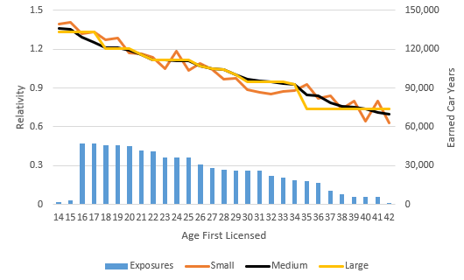
 |  |  |  |  | An ordinal variable has a natural order to it (e.g. Age First Licensed 14, 15, 16,…) whereas a nominal variable
 |  |  |  |  | has no implicit/natural order between its categories.

 |  |  |  | c.) | Lasso penalized regression allows us to model non-linear effects efficiently because it automatically groups consecutive levels
 |  |  |  |  | appropriately as the penalty term increases.

 |  |  |  | d.) | This requires the actuary to perform two-stage modeling.
 |  |  |  |  | First they should model the control variables using either no penalty or a small penalty.
 |  |  |  |  | The resulting coefficients are then fed into a secondary model as offset terms and that model
 |  |  |  |  | can then use an appropriately sized penalty parameter to select variables and group levels while
 |  |  |  |  | leaving the offsets unchanged.

 | a.) | Using the graph above, recommend which size of penalty parameter the
 |  | actuary should use and briefly explain why.

 | b.) | Briefly describe the difference between an ordinal and a nominal variable.

 | c.) | Briefly describe an advantage of using lasso penalized regression instead
 |  | of an unpenalized GLM when working with non-linear data and
 |  | ordinal variables.

 | d.) | Explain how an actuary can use control variables and perform variable
 |  | selection when using lasso penalized regression.

Holmes_Diagnostics1
Reading: |  | Holmes.Diagnostics | Return to TOC |  | Solution
Model: |  | Source Text |  | a.) | Category A receives 100% credibility to its complement because the GLM, lasso credibility, and complement relativities are identical.
Problem Type: |  | Assess a relativity plot |  |  | Category E receives 100% credibility to its complement because it lacks sufficient exposures to be assigned any credibility.

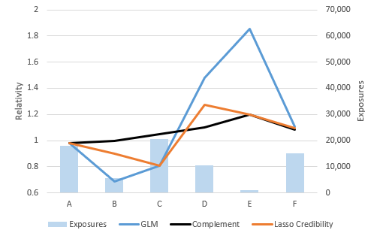
Given |  | An actuary is comparing the results of a lasso credibility model against |  | b.) | Category C has the same GLM and lasso credibility relativity, indicating the model is assigning 100% credibility to the data.
 |  | an unpenalized GLM. |  |  | However, this category has a large deviation from its complement.
 |  |  |  |  | Credible data and a large deviation can suggest an inappropriate choice of complement.
 |  |  |  |  | This is further supported by both the lasso credibility and GLM relativities (discounts) being directionally opposite to the complement (surcharge).

 |  |  |  | c.) | Category D could indicate the choice of penalty parameter is too small.
 |  |  |  |  | This is because there is a medium volume of exposures and a large deviation from the complement of credibility.

 |  |  |  | d.) | If the data has low credibility then the coefficients will be close to the complement of credibility.
 |  |  |  |  | Failure to choose an appropriate complement of credibility can lead to adverse selection, limited growth opportunities, and burden policyholders with excessive rates.

 |  | Use the relativity plot above to answer the following questions.

 | a.) | Briefly explain which categories are receiving 100% credibility to the
 |  | complement in the lasso credibility model.

 | b.) | Briefly explain which category could indicate the actuary's choice of
 |  | complement was in appropriate.

 | c.) | Briefly explain which category could indicate the actuary's choice of
 |  | penalty parameter is too small.

 | d.) | Briefly describe why it is important to choose an appropriate
 |  | complement of credibility.

