Holmes_PenReg1
Reading: |  | Holmes.PenalizedRegression | Return to TOC | Solution
Model: |  | Source Text
Problem Type: |  | Ridge vs Lasso Regression and λ parameters

Given |  | Ian-the-Intern has been building a GLM, a ridge penalized regression, and a lasso
 |  | penalized regression. All models use a log-link function.
 |  | Alice is reviewing the results before the big presentation to leadership.

 | a.) | Help Alice briefly explain to Ian which of the lines in the graph below corresponds to
 |  | which of the models as Ian forgot to label the output.
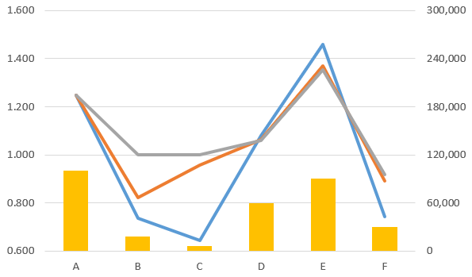

 | b.) | Briefly explain why actuaries generally prefer lasso regression over elastic net regression.

 | c.) | Ian performed k-fold validation to tune their hyperparameter to λopt = 2.42.
 |  | Using the graph below, identify an acceptable range of λ parameters
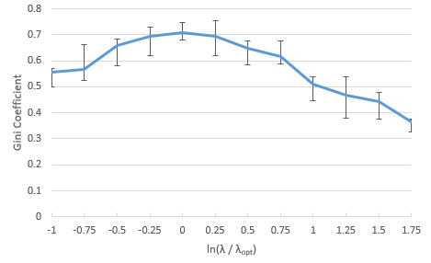

 | d.) | Briefly explain why Ian may reasonably select a λ parameter which lies above the
 |  | acceptable range identified in part c.) above.

Holmes_Transformations1
Reading: |  | Holmes.Transformations | Return to TOC | Solution
Model: |  | Source Text
Problem Type: |  | Categorical variables and penalty parameters

Given |  | An actuary is pricing Bodily Injury coverage for a program which only
 |  | covers drivers during their first three years of driving. They are using lasso
 |  | penalized regression to fit an ordinal "Age First Licensed" variable.
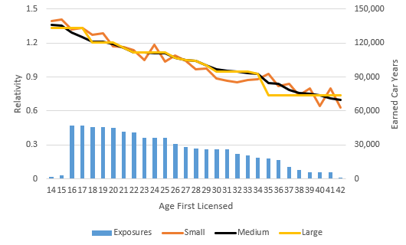

 | a.) | Using the graph above, recommend which size of penalty parameter the
 |  | actuary should use and briefly explain why.

 | b.) | Briefly describe the difference between an ordinal and a nominal variable.

 | c.) | Briefly describe an advantage of using lasso penalized regression instead
 |  | of an unpenalized GLM when working with non-linear data and
 |  | ordinal variables.

 | d.) | Explain how an actuary can use control variables and perform variable
 |  | selection when using lasso penalized regression.

Holmes_Diagnostics1
Reading: |  | Holmes.Diagnostics | Return to TOC | Solution
Model: |  | Source Text
Problem Type: |  | Assess a relativity plot

Given |  | An actuary is comparing the results of a lasso credibility model against
 |  | an unpenalized GLM.
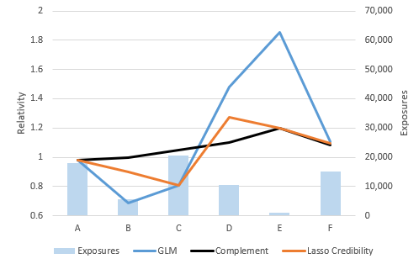

 |  | Use the relativity plot above to answer the following questions.

 | a.) | Briefly explain which categories are receiving 100% credibility to the
 |  | complement in the lasso credibility model.

 | b.) | Briefly explain which category could indicate the actuary's choice of
 |  | complement was in appropriate.

 | c.) | Briefly explain which category could indicate the actuary's choice of
 |  | penalty parameter is too small.

 | d.) | Briefly describe why it is important to choose an appropriate
 |  | complement of credibility.

