4
4 | Incomplete |  |  | Navigator |  | Solution
 |  |  |  |  | a.)
Points | You are given the following information for a fitted GLM:
2
 | Response variable | Occurrence of Accidents
 | Response distribution | Binomial
 | Link | Logit

$$\hat{β}$$
 |  | Degrees of
 | Parameter | Freedom
 | Intercept | 1 | x

 | Driver's Age | 2
 | 1 | 1 | 0.288
 | 2 | 1 | 0.064
 | 3 | 0 | 0

 | Area | 2
 | A | 1 | -0.036
 | B | 1 | 0.053
 | C | 0 | 0

 | Vehicle Body | 2
 | Truck | 1 | 1.136
 | Other | 1 | -0.371
 | Sedan | 0 | 0

 | 0.22 | The probability of a driver in age group 2, from area C
 |  | and with vehicle body type Other, having an accident.

(a) | Calculate the odds ratio of a driver in age group 3, from area B, and with vehicle body
1.5 | type Truck having an accident.

(b) | Briefly interpret the odds ratio derived in part (a) above.
0.5

7
7 | Incomplete |  |  |  |  |  |  |  |  | Navigator |  | Solution
 |  |  |  |  |  |  |  |  |  |  | a.)
Points | The following policy is being rated using the ISO CGL rating plan.
2.75 |  |  |  |  |  | Current Company Rates per Exposure
 | 2025-12-01 | Effective Date |  |  |  | Policy Type | Sub-line | Rate
 | Claims-Made (CM) | Policy Type |  |  |  | 3rd-yr CM | Prem/Ops | 7.7
 | 72% | Expected Loss Ratio (ELR) |  |  |  | 3rd-yr CM | Products | 8.9
 |  |  |  |  |  | 2nd-yr CM | Prem/Ops | 3.3
 |  |  |  |  |  | 2nd-yr CM | Products | 4.2
 |  |  |  |  |  | 1st-yr CM | Prem/Ops | 1.8
 |  |  |  |  |  | 1st-yr CM | Products | 4.1
 |  |  |  |  |  | Ocurrence | Prem/Ops | 7.9
 |  |  |  |  |  | Ocurrence | Products | 5.4

Occurrence Limit
 | Information about previous policy years
 |  |  |  | Policy | Gross |  | Current Increased Limits Factors
 |  |  |  | Limits | Annual |  | Aggregate Limit
 | Effective Date | Policy Type |  | (occ/agg) | Sales |  | 200k | 250k | 500k
 | 2024-12-01 | 2nd-year Claims-Made |  | 250k/500k | $108,000 | 100k | 1.000 | 1.350 | 1.630
 | 2023-12-01 | 1st-year Claims-Made |  | 150k/500k | $72,000 | 150k | 1.150 | 1.290 | 1.810
 | 2022-12-01 | Occurrence |  | 100k/250k | $33,000 | 250k | 1.330 | 1.460 | 1.950
 | 2021-12-01 | Occurrence |  | 100k/200k | $16,000

(a) | Briefly explain why the Company Subject Loss Cost should be calculated using the Historical Exposures at Present Company Rates
0.75 | approach instead of the standard approach or the Present Average Company Rates approach.

(b) | Calculate the Company Subject Loss Cost using the Historical Exposures at Present Company Rates approach using the information
2 | provided below.
 |  | Table 13B
 |  | Sub-line | Occurrence | 4th-yr CM | 3rd-yr CM | 2nd-yr CM | 1st-yr CM
 |  | Prem/Ops | 1.00 | 1.14 | 1.20 | 1.32 | 1.62
 |  | Products | 1.00 | 1.51 | 1.59 | 2.03 | 2.39

 |  | Table 13C
 |  | Sub-line | Occurrence | 4th-yr CM | 3rd-yr CM | 2nd-yr CM | 1st-yr CM
 |  | Prem/Ops | 1.00 | 0.84 | 0.78 | 0.67 | 0.47
 |  | Products | 1.00 | 0.49 | 0.43 | 0.35 | 0.22

 |  | Table 14
 |  | Year of Experience Period | Sub-line | Rule 5B | Rule 5C
 |  | Latest Year | Prem/Ops | 0.907 | 0.926
 |  |  | Products | 0.882 | 0.901
 |  | 2nd Latest Year | Prem/Ops | 0.864 | 0.892
 |  |  | Products | 0.828 | 0.854
 |  | 3rd Latest Year | Prem/Ops | 0.823 | 0.858
 |  |  | Products | 0.777 | 0.810

15
15 | Incomplete | Navigator |  | Solution
 |  |  | a.)
Points | The diagram below exhibits cumulative distribution functions:
2 | • F(y) represents aggregate loss ratios with no loss limit, and
 | • F*(y) represents aggregate loss ratios adjusted for a per-occurrence loss limit.

 | The diagram is also partitioned into nine areas labeled with the letters from A to I.
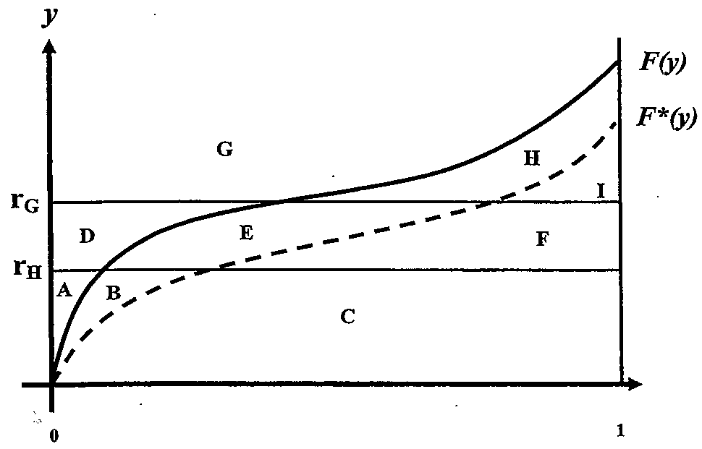

(a) | Using the labels provided, give an algebraic expression for each of the following quantities:
1 | (i) The Table M Charge at rG
 | (ii) The Table L Charge at rG
 | (iii) The Table L Savings at rH
 | (iv) The Loss Elimination Ratio

(b) | Using the labels provided and the entry ratio rG, algebraically demonstrate whether the
1 | following equation is valid.

 | Table L Charge - Table M Charge = Table L Savings - Table M Savings

21
21 | Incomplete |  |  |  |  | Navigator | Solution

Points | An actuary has built a GLM and a lasso credibility model and is evaluating the
4 | model output for a categorical variable with five levels.

 | The complement of credibility for the lasso credibility model is the current
 | rating plan relativities which were previously produced by a GLM.

(a) | Using the table and graph below, briefly explain the broad level of credibility
2.5 | assigned to each category by the lasso credibility model and explain
 | whether the results for categories A, D, and E are intuitive.

 | Category | Exposures | GLM | Lasso Credibility | Complement
 | A | 55,000 | 0.772 | 1.036 | 1.095
 | B | 175,000 | 1.952 | 1.881 | 1.881
 | C | 10,000 | 1.184 | 1.138 | 1.138
 | D | 48,000 | 0.723 | 0.801 | 1.043
 | E | 169,000 | 0.707 | 0.707 | 0.952

(b) | Briefly describe two ways in which the actuary could address the
1 | counter-intuitive results identified in part a.) above.

 | The actuary recently learned that the Data Enablement group who prepared the
 | data has grouped two sub-categories to form category D because
 | the prior model had shown these sub-categories were insignificant by
 | themselves.

(c) | Briefly explain whether or not this presents a problem when modeling
0.5 | using lasso credibility.

